Strategy Analysis
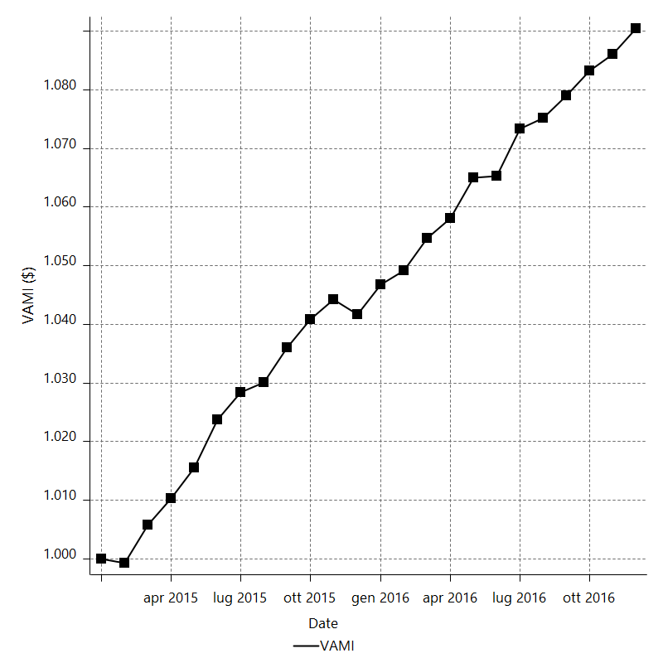
Strategy Performance Summary

 | All Trades | Long Trades | Short Trades
Net Profit | 9183 | 3451.48 | 5731.52
Gross Profit | 21020.1 | 9213.7 | 11806.4
Gross Loss | -11837.1 | -5762.22 | -6074.88
Adjusted Net Profit | 7024.5714271 | 1910.8670602 | 4200.4550441
Adjusted Gross Profit | 19482.958052 | 8112.4522162 | 10714.897934
Adjusted Gross Loss | -12458.386625 | -6201.585156 | -6514.4428898
Select Net Profit | 9236.6 | 3451.48 | 5785.12
Select Gross Profit | 21020.1 | 9213.7 | 11806.4
Select Gross Loss | -11783.5 | -5762.22 | -6021.28
Account Size Required | 533.41 | 571.56 | 380.81
Return on Account | 1721.565025 | 603.87010987 | 1505.0865261
Return on Initial Capital | 9.183 | 3.45148 | 5.73152
Max Strategy Drawdown | -604.41 | -657.76 | -467.88
Max Strategy Drawdown (%) | -0.57695358655 | -0.6468703898 | -0.44695469841
Max Close To Close Drawdown | -533.41 | -571.56 | -380.81
Max Close To Close Drawdown (%) | -0.50950961717 | -0.5624736322 | -0.36403194947
Return on Max Strategy Drawdown | 15.193329032 | 5.247324252 | 12.249978627
Profit Factor | 1.7757812302 | 1.5989844192 | 1.9434787189
Adjusted Profit Factor | 1.5638427863 | 1.308125586 | 1.644791138
Select Profit Factor | 1.7838587856 | 1.5989844192 | 1.9607791034
Max # Contracts Held | 20 | 20 | 20
Slippage Paid | 1858 | 830 | 1028
Commission Paid | 1050 | 473 | 577
Open Position P/L | n/a | n/a | n/a
Annual Rate of Return | 4.7760880481 | 1.7951184119 | 2.9809696362
Monthly Rate of Return | 0.39800733734 | 0.14959320099 | 0.24841413635
Buy & Hold Return | -18525.762161 | -18197.679433 | -18525.762161
Avg Monthly Return | 382.625
Monthly Return StdDev | 265.26464833
Total # of Trades | 550 | 242 | 308
% Profitable | 34 | 28.925619835 | 37.987012987

Performance Ratios

Upside Potential Ratio | n/a
Sharpe Ratio | 0.7795129553
Annualized Sharpe Ratio | 2.7003120875
Sortino Ratio | 1.3363263222
Fouse Ratio | 0.0036637528442
Calmar Ratio | 0.21793266279
Sterling Ratio | 0.0019984880973
Net Profit as % of Largest loss | 17132.462687
Net Profit as % of Max Trade Drawdown | 4381.2022901
Net Profit as % of Max Strategy Drawdown | 1519.3329032
Select Net Profit as % of Largest loss | 17232.462687
Select Net Profit as % of Max Trade Drawdown | 4406.7748092
Select Net Profit as % of Max Strategy Drawdown | 1528.2010556
Adj Net Profit as % of Largest loss | 13105.543707
Adj Net Profit as % of Max Trade Drawdown | 3351.4176656
Adj Net Profit as % of Max Strategy Drawdown | 1162.2195905

Time Analysis

Trading Period | 1 Yr, 11 Mths, 8 Dys, 6 Hrs, 25 Mins
Time in the Market | 2 Mths, 19 Dys, 4 Hrs, 35 Mins
Percent in the Market | 11.276470559
Longest flat period | 3 Dys, 22 Hrs, 30 Mins
Max Run-up Date | 2016-06-24
Max Drawdown Date | 2016-09-01
Max Strategy Drawdown Date | 11/24/15
Max Close To Close Drawdown Date | 11/23/15

Equity Curve Detailed

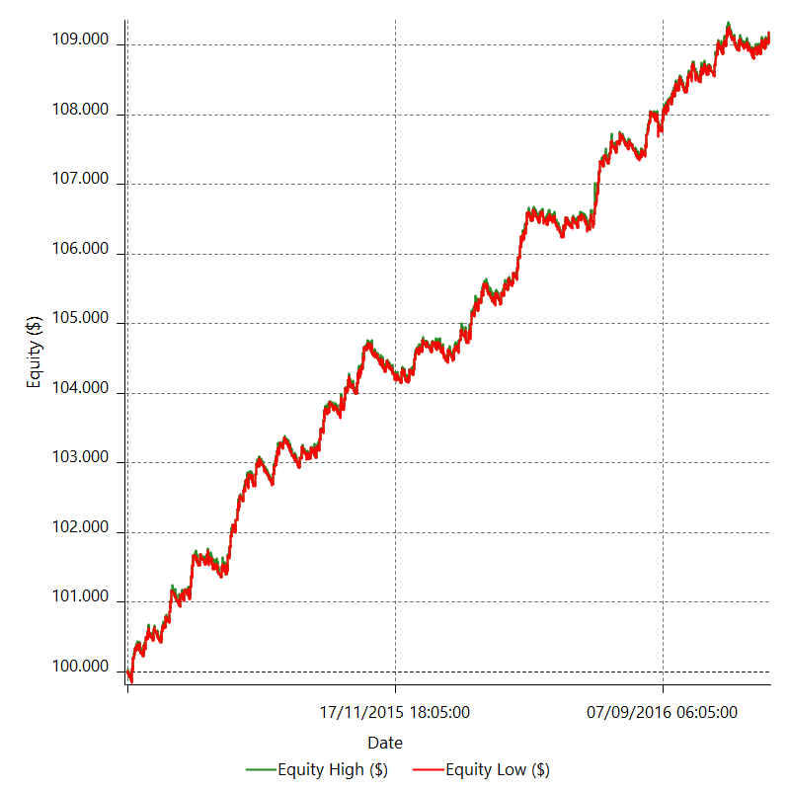

Equity Curve Detailed with DrawDown

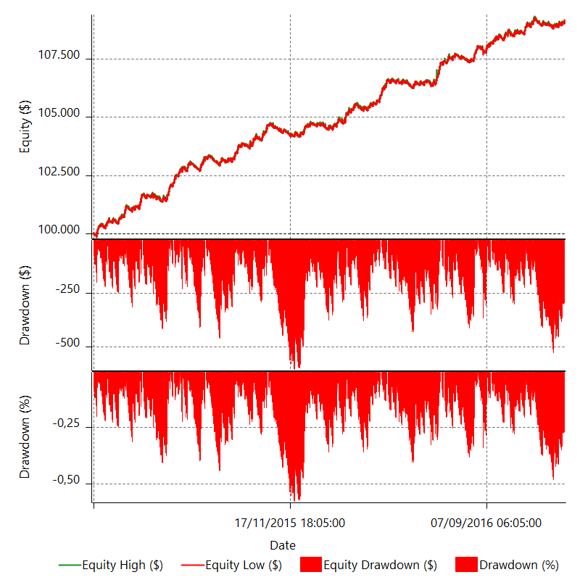

Equity Curve Detailed Long

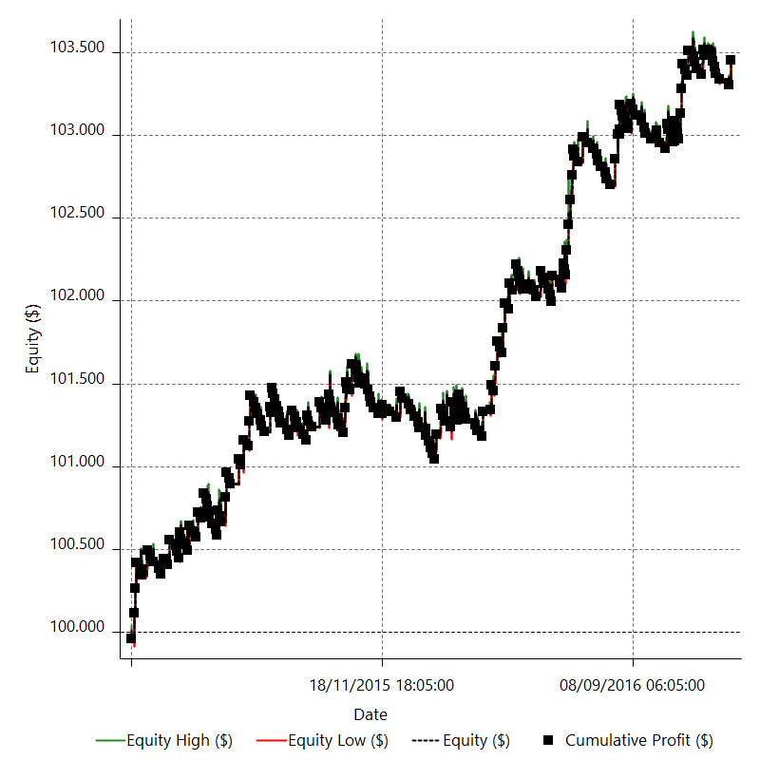

Equity Curve Detailed Short

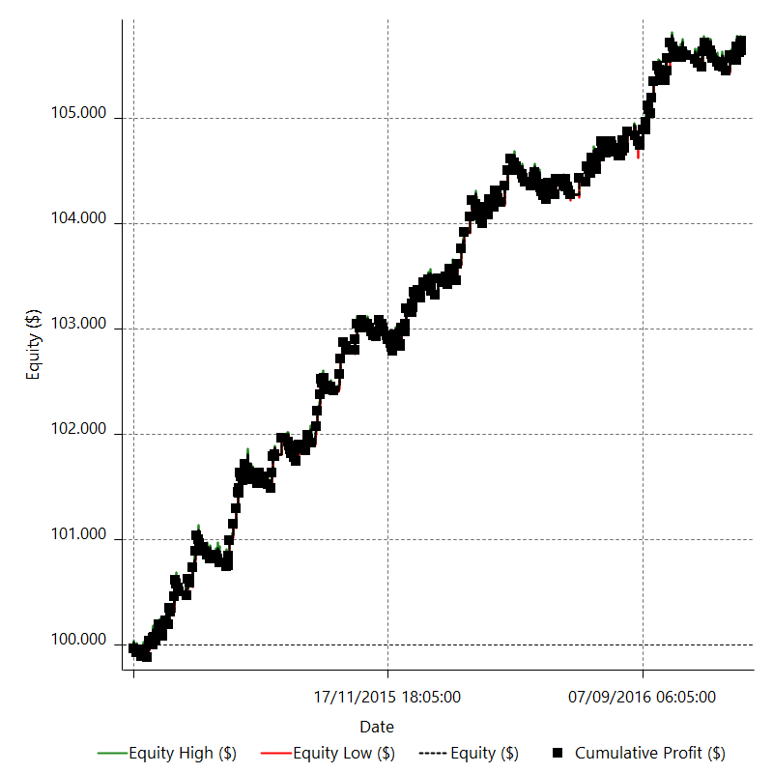

Equity Run-up & Drawdown

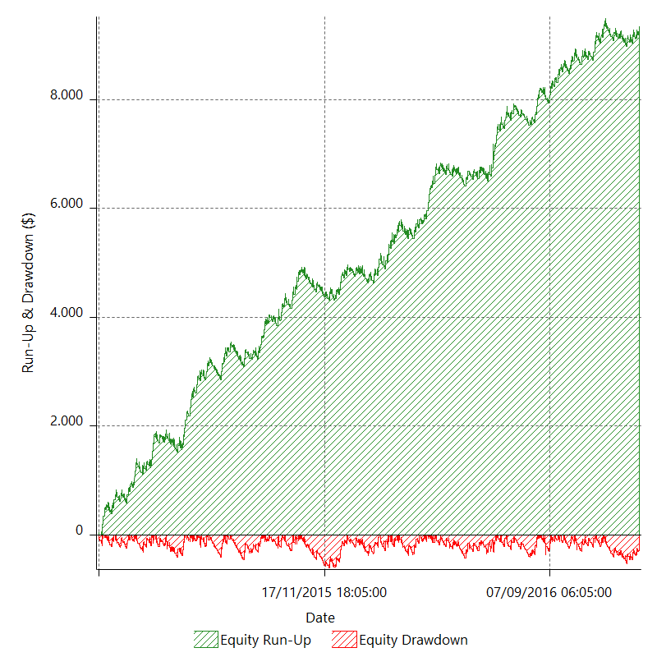

Equity Run-up & Drawdown (%)

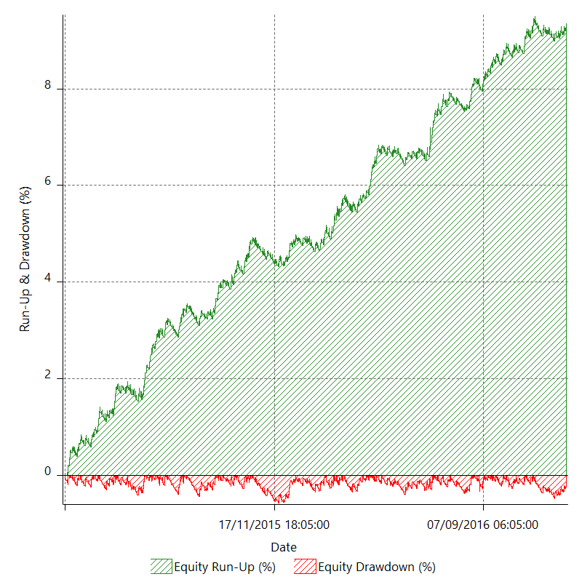

Equity Curve Close To Close

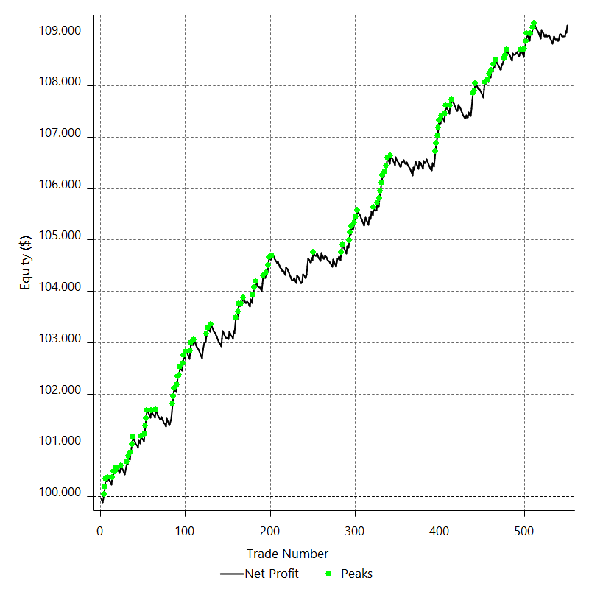

Equity Curve Close To Close With Drawdown

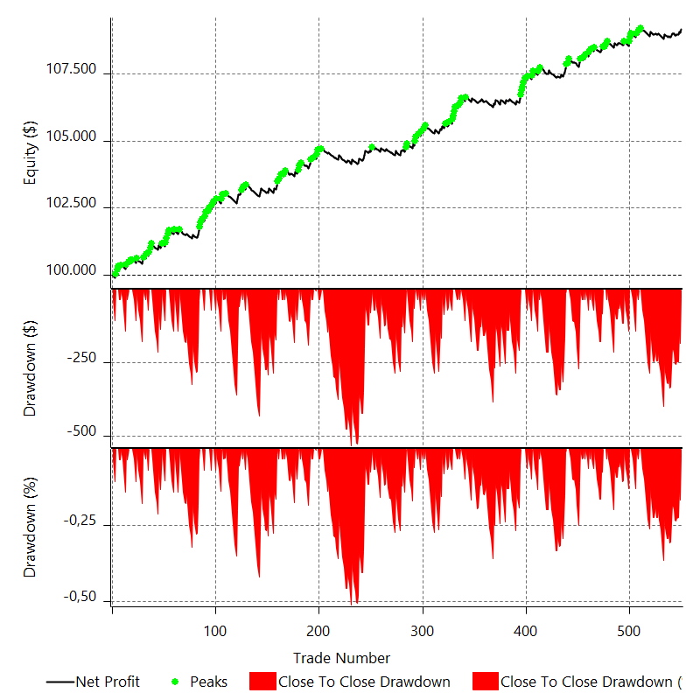

Buy & Hold Return

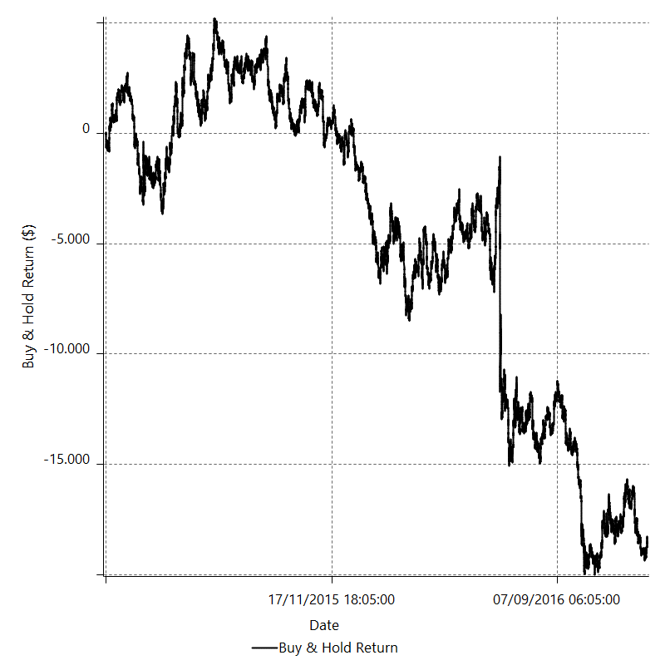

Value Added Monthly Index

Trade Analysis
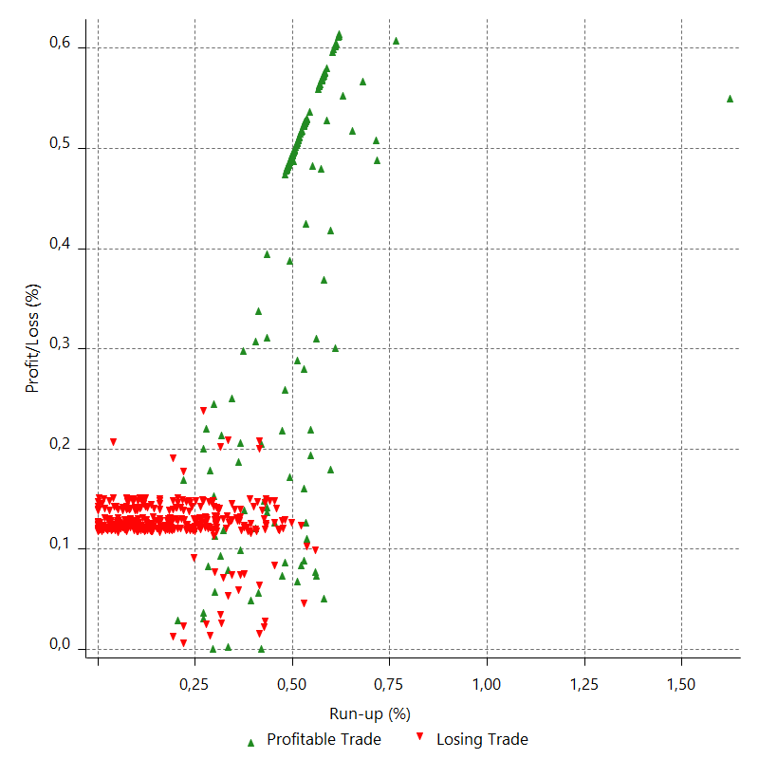
Total Trade Analysis

 | All Trades | Long Trades | Short Trades
Total # of Trades | 550 | 242 | 308
Total # of Open Trades | 0 | 0 | 0
Number Winning Trades | 187 | 70 | 117
Number Losing Trades | 363 | 172 | 191
% Profitable | 34 | 28.925619835 | 37.987012987
Avg Trade (win & loss) | 16.696363636 | 14.26231405 | 18.608831169
Average Winning Trade | 112.40695187 | 131.62428571 | 100.90940171
Average Losing Trade | -32.609090909 | -33.50127907 | -31.80565445
Ratio Avg Win / Avg Loss | 3.447104741 | 3.9289331443 | 3.1726874813
Largest Winning Trade | 151 | 151 | 151
Largest Losing Trade | -53.6 | -36.6 | -53.6
Avg # Bars in Trades | 10.2 | 8.4 | 11.6
Avg # Bars in Winning Trades | 14.7 | 10.7 | 17.1
Avg # Bars in Losing Trades | 7.8 | 7.4 | 8.2
Avg # Bars Between Trades | n/a | n/a | n/a
Avg # Bars Between Winning Trades | 113.9 | 332.7 | 188.4
Avg # Bars Between Losing Trades | 58.4 | 132.4 | 117.7

Outliers

 | Total | Positive | Negative
1 Std. Deviation of Avg. Trade | 76.820835859 | 57.072555132 | 10.320531674
Avg. Trade +1 Std. Deviation | 93.517199495 | 169.479507 | -22.288559235
Avg. Trade - 1 Std. Deviation | -60.124472223 | 55.33439674 | -42.929622583
Number of Outliers | 1 | 0 | 1
Outlier Profit/Loss |  |  | -53.6

Run-up/Drawdown

 | Run-up | Drawdown
Max Value | 442.8 | -209.6
Max Value Date | 2016-06-24 | 2016-09-01
Avg Value | 73.088618182 | -27.135036364
Max Value (%) | 1.6228340223 | -0.79746151563
Max Value (%) Date | 2016-06-24 | 2016-09-01
Avg Value (%) | 0.29216713272 | -0.099893821691
1 Std. Deviation | 58.622607489 | 20.472060046
Avg. Trade +1 Std. Deviation | 131.71122567 | -6.6629763176
Avg. Trade - 1 Std. Deviation | 14.466010693 | -47.60709641

Trade Series Analysis

Z-score | -1.2688432081
Confidence Limits | 0.79550302144
Strategy ME | 16.696363636
Max Consec. Winners | 6
Max Consec. Losers | 12
Largest Consec. Profit | 906
Largest Consec. Loss | -432
Largest Consec. Profit (%) | 0.85125622305
Largest Consec. Loss (%) | -0.41794488952

Trade Series Statistics

Consecutive Winners | Number of Series | Avg. Gain per Series | Avg. Loss Next Trade
1 | 72 | 117.92555556 | -34.064722222
2 | 32 | 105.018125 | -30.6115625
3 | 7 | 112.34190476 | -26.127142857
4 | 3 | 131.76333333 | -36
6 | 3 | 103.77555556 | -36
Consecutive Losers | Number of Series | Avg. Loss per Series | Avg. Gain Next Trade
1 | 35 | -29.004 | 101.558
2 | 27 | -30.856481481 | 106.85259259
3 | 12 | -33.104444444 | 96.44
4 | 18 | -33.585277778 | 122.01333333
5 | 9 | -34.484444444 | 88.84
6 | 6 | -33.145277778 | 86.551666667
7 | 2 | -31.720714286 | 151
8 | 5 | -32.649 | 111.402
9 | 1 | -28.747777778 | 151
10 | 1 | -36 | 151
12 | 1 | -36 | 151

Total Trades

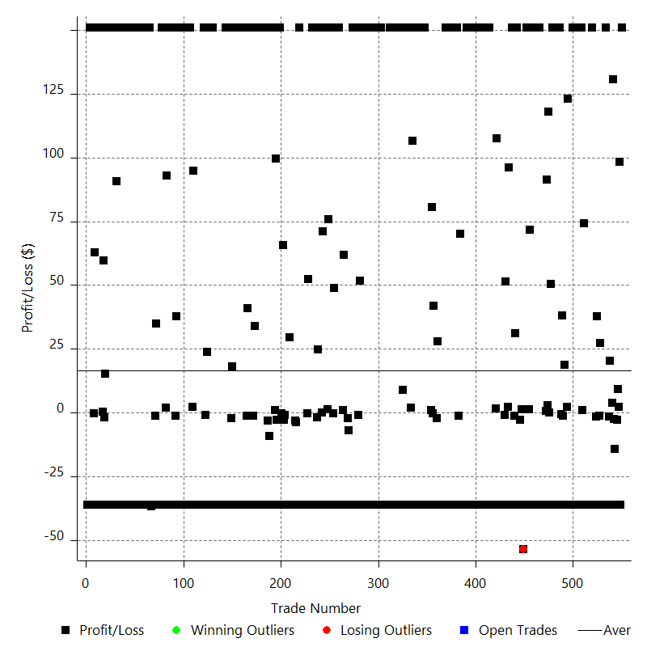

Winning Trades

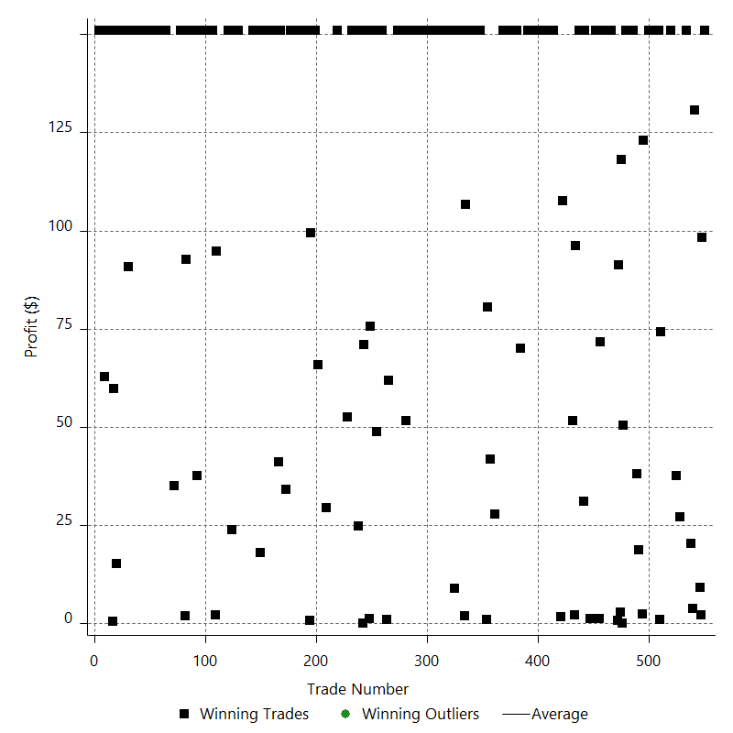

Losing Trades

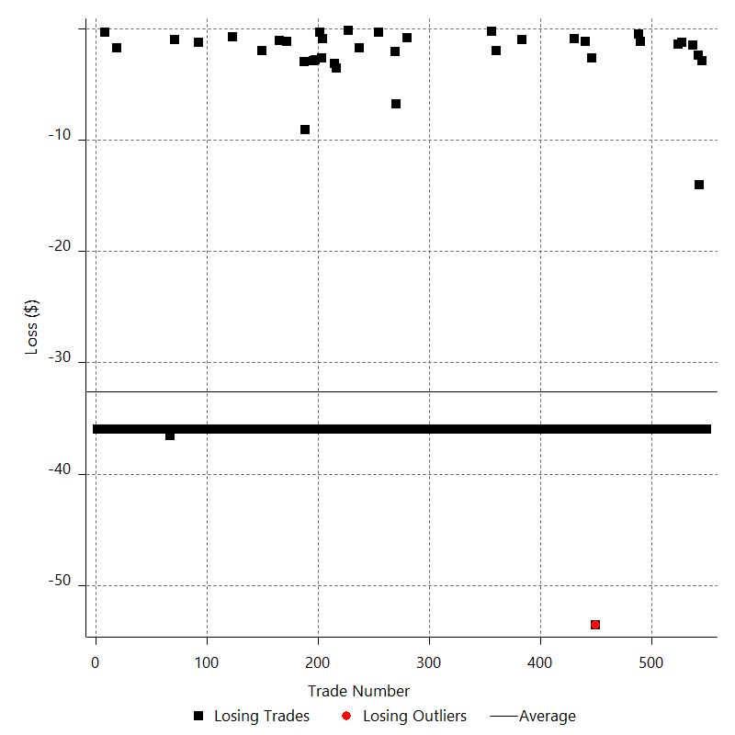

Drawdown

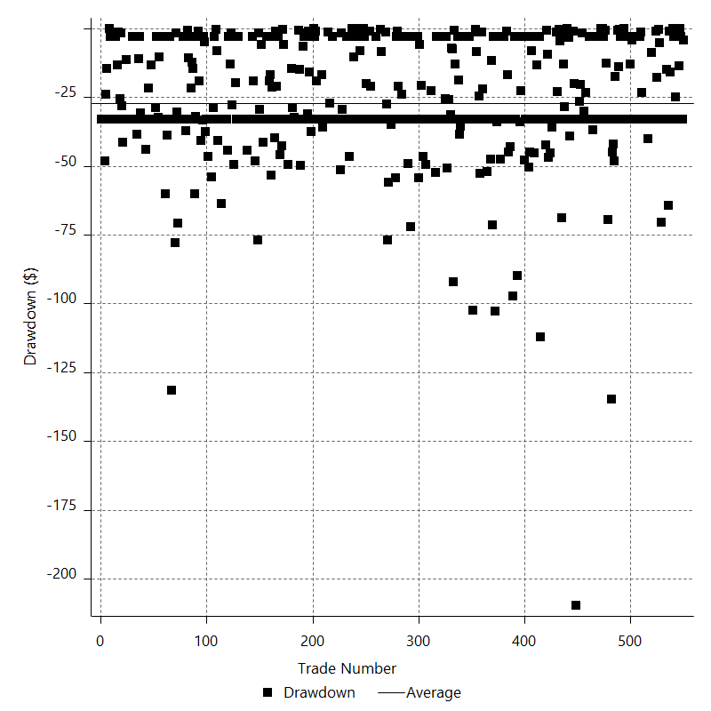

Drawdown P/L

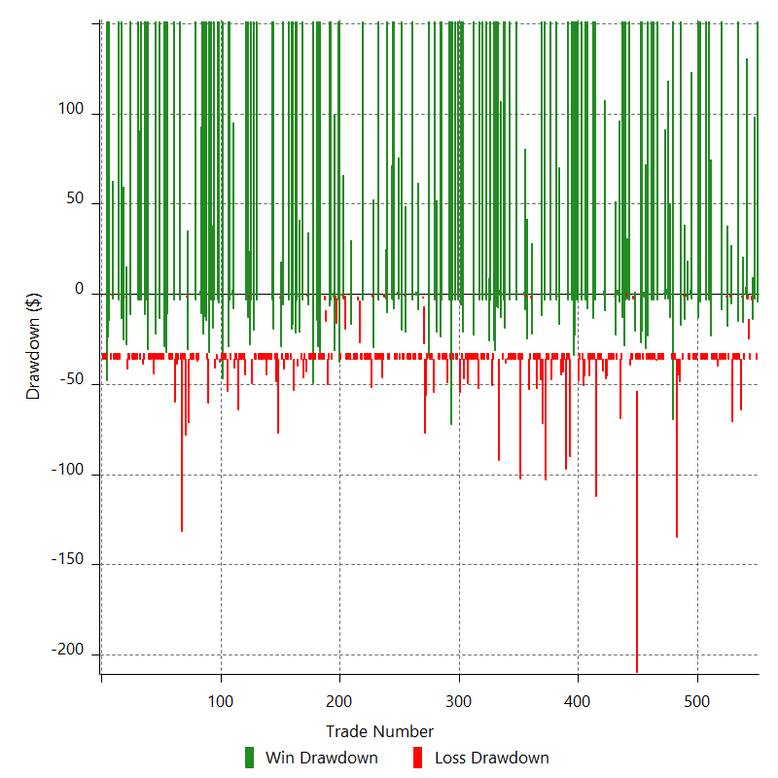

Maximum Adverse Excursion

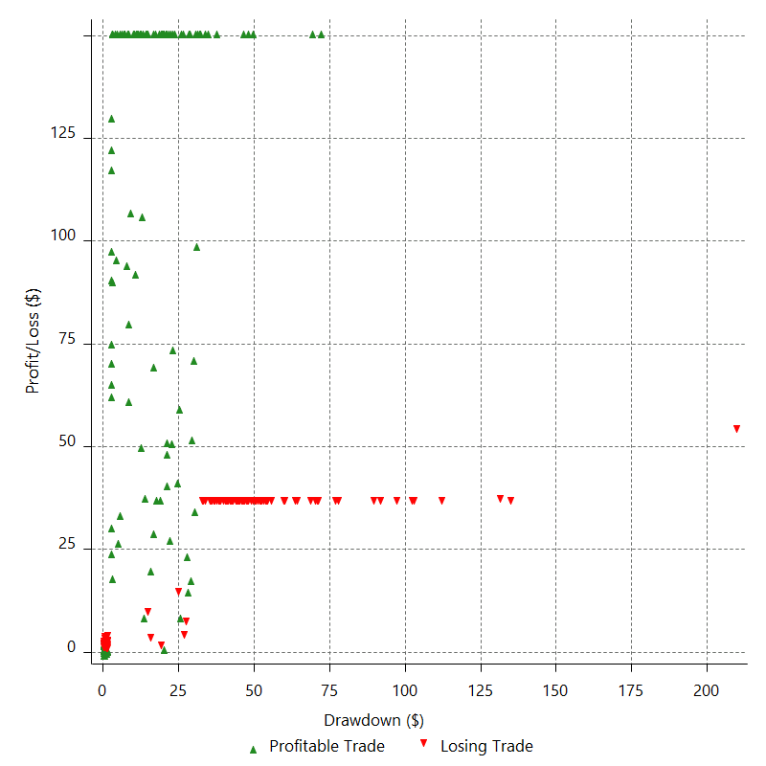

Maximum Adverse Excursion (%)

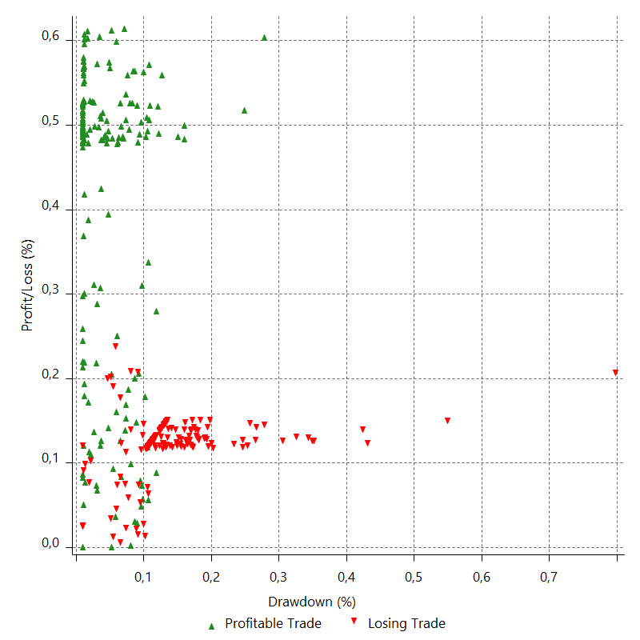

Run-up

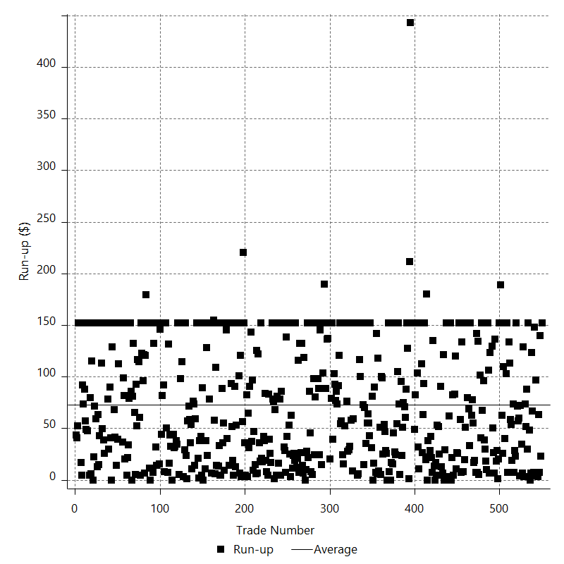

Run-up P/L

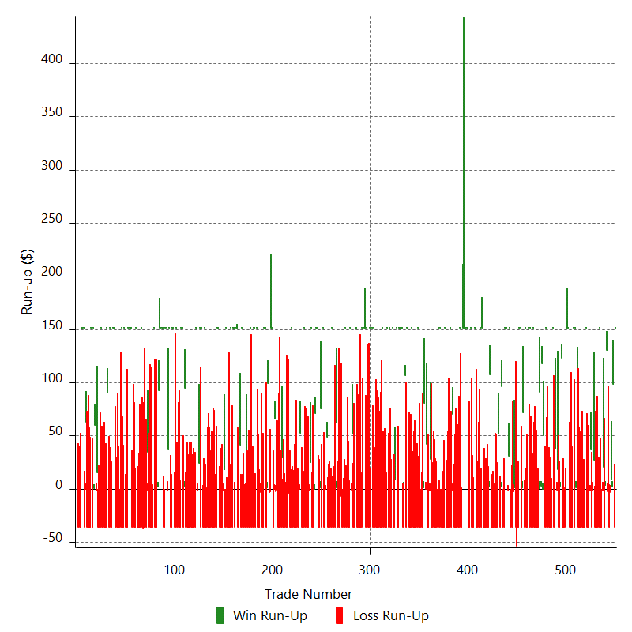

Maximum Favorable Excursion

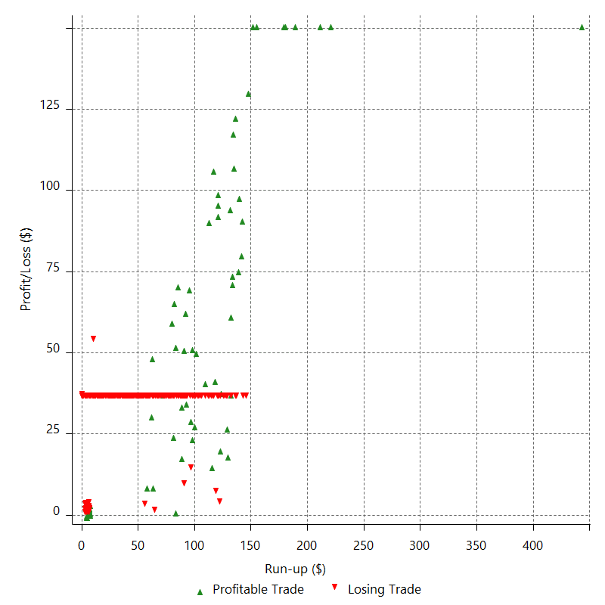

Maximum Favorable Excursion (%)

Periodical Analysis
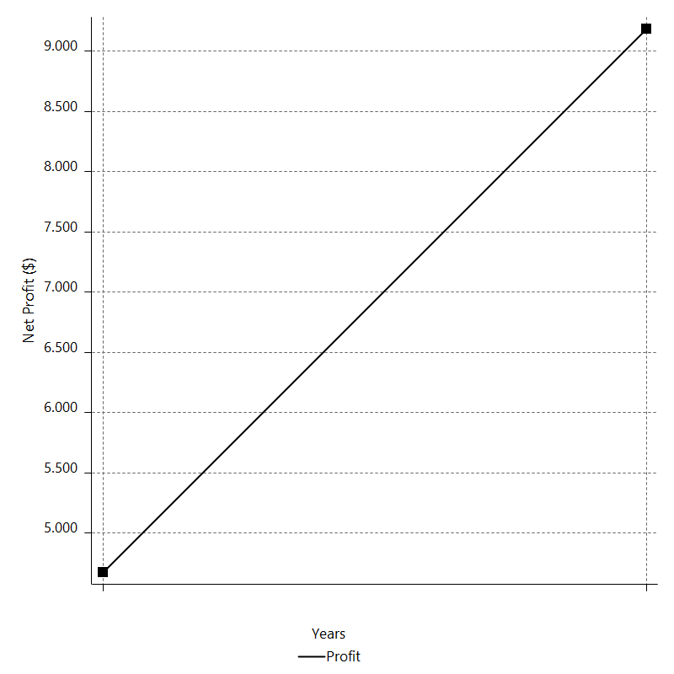
Daily Period Analysis

Period | Profit ($) | Profit (%) | Gross Profit | Gross Loss | # Trades | % Profitable
2016-12-30 | 151 | 0.13849145205 | 151 | 0 | 1 | 100
2016-12-29 | -36 | -0.033006931456 | 0 | -36 | 1 | 0
2016-12-28 | 100.51 | 0.092238519948 | 100.51 | 0 | 2 | 100
2016-12-27 | 6.28 | 0.0057635189624 | 9.16 | -2.88 | 2 | 50
2016-12-26 | -36 | -0.033028368341 | 0 | -36 | 1 | 0
2016-12-23 | -16.44 | -0.015080680263 | 0 | -16.44 | 2 | 0
2016-12-22 | 134.32 | 0.12336593181 | 134.32 | 0 | 2 | 100
2016-12-21 | -36 | -0.033053198296 | 0 | -36 | 1 | 0
2016-12-20 | 18.88 | 0.01733757161 | 20.37 | -1.49 | 2 | 50
2016-12-19 | -36 | -0.033048003602 | 0 | -36 | 1 | 0
2016-12-16 | -36 | -0.033037085505 | 0 | -36 | 1 | 0
2016-12-15 | 151 | 0.13876450882 | 151 | 0 | 1 | 100
2016-12-14 | -36 | -0.033071988072 | 0 | -36 | 1 | 0
2016-12-13 | -36 | -0.033061054124 | 0 | -36 | 1 | 0
2016-12-12 | -36 | -0.033050127404 | 0 | -36 | 1 | 0
2016-12-09 | -36 | -0.033039207903 | 0 | -36 | 1 | 0
2016-12-08 | -36 | -0.033028295616 | 0 | -36 | 1 | 0
2016-12-07 | 25.96 | 0.02382274483 | 27.21 | -1.25 | 2 | 50
2016-12-06 | -36 | -0.033025253586 | 0 | -36 | 1 | 0
2016-12-05 | 36.26 | 0.033274837771 | 37.66 | -1.4 | 2 | 50
2016-12-02 | -36 | -0.033025332356 | 0 | -36 | 1 | 0
2016-12-01 | -36 | -0.033014429231 | 0 | -36 | 1 | 0
2016-11-30 | -36 | -0.033003533303 | 0 | -36 | 1 | 0
2016-11-29 | 151 | 0.13862338532 | 151 | 0 | 1 | 100
2016-11-28 | -36 | -0.033038364975 | 0 | -36 | 1 | 0
2016-11-25 | -36 | -0.033027453245 | 0 | -36 | 1 | 0
2016-11-24 | -36 | -0.03301654872 | 0 | -36 | 1 | 0
2016-11-23 | -36 | -0.033005651393 | 0 | -36 | 1 | 0
2016-11-22 | -36 | -0.032994761257 | 0 | -36 | 1 | 0
2016-11-21 | -36 | -0.032983878305 | 0 | -36 | 1 | 0
2016-11-18 | -36 | -0.03297300253 | 0 | -36 | 1 | 0
2016-11-17 | -36 | -0.032962133925 | 0 | -36 | 1 | 0
2016-11-16 | 75.29 | 0.068984196031 | 75.29 | 0 | 2 | 100
2016-11-15 | 151 | 0.1385448969 | 151 | 0 | 1 | 100
2016-11-14 | -36 | -0.033019664861 | 0 | -36 | 1 | 0
2016-11-11 | 151 | 0.13869123602 | 151 | 0 | 1 | 100
2016-11-10 | -36 | -0.03305453061 | 0 | -36 | 1 | 0
2016-11-09 | -36 | -0.0330436082 | 0 | -36 | 1 | 0
2016-11-08 | -36 | -0.033032693007 | 0 | -36 | 1 | 0
2016-11-07 | -36 | -0.033021785022 | 0 | -36 | 1 | 0
2016-11-04 | 151 | 0.1387001536 | 151 | 0 | 1 | 100
2016-11-03 | 151 | 0.13889279812 | 151 | 0 | 1 | 100
2016-11-02 | 151 | 0.13908597853 | 151 | 0 | 1 | 100
2016-11-01 | -36 | -0.033148579114 | 0 | -36 | 1 | 0
2016-10-31 | -36 | -0.033137594472 | 0 | -36 | 1 | 0
2016-10-28 | -36 | -0.033126617108 | 0 | -36 | 1 | 0
2016-10-27 | -36 | -0.033115647014 | 0 | -36 | 1 | 0
2016-10-26 | 125.37 | 0.1154583934 | 125.37 | 0 | 2 | 100
2016-10-25 | -36 | -0.033142893653 | 0 | -36 | 1 | 0
2016-10-24 | -36 | -0.033131912778 | 0 | -36 | 1 | 0
2016-10-21 | 17.49 | 0.016099179043 | 18.66 | -1.17 | 2 | 50
2016-10-20 | 37.71 | 0.034723318868 | 38.23 | -0.52 | 2 | 50
2016-10-19 | -36 | -0.033137768339 | 0 | -36 | 1 | 0
2016-10-18 | 151 | 0.139187992 | 151 | 0 | 1 | 100
2016-10-17 | -36 | -0.033172884079 | 0 | -36 | 1 | 0
2016-10-14 | -36 | -0.033161883326 | 0 | -36 | 1 | 0
2016-10-13 | -36 | -0.033150889867 | 0 | -36 | 1 | 0
2016-10-12 | -36 | -0.033139903694 | 0 | -36 | 1 | 0
2016-10-11 | -36 | -0.0331289248 | 0 | -36 | 1 | 0
2016-10-10 | -36 | -0.033117953178 | 0 | -36 | 1 | 0
2016-10-07 | 151 | 0.13910464695 | 151 | 0 | 1 | 100
2016-10-06 | -36 | -0.033153026913 | 0 | -36 | 1 | 0
2016-10-05 | 50.44 | 0.046472661425 | 50.44 | 0 | 2 | 100
2016-10-04 | 120.88 | 0.11149640667 | 120.88 | 0 | 2 | 100
2016-10-03 | 91.94 | 0.084874918428 | 91.94 | 0 | 2 | 100
2016-09-30 | -36 | -0.033222557637 | 0 | -36 | 1 | 0
2016-09-29 | -36 | -0.033211523919 | 0 | -36 | 1 | 0
2016-09-28 | -36 | -0.033200497528 | 0 | -36 | 1 | 0
2016-09-27 | -36 | -0.033189478456 | 0 | -36 | 1 | 0
2016-09-26 | -36 | -0.033178466696 | 0 | -36 | 1 | 0
2016-09-23 | 151 | 0.13935917483 | 151 | 0 | 1 | 100
2016-09-22 | -36 | -0.03321366879 | 0 | -36 | 1 | 0
2016-09-21 | -36 | -0.033202640975 | 0 | -36 | 1 | 0
2016-09-20 | 151 | 0.13946085542 | 151 | 0 | 1 | 100
2016-09-19 | -36 | -0.033237894413 | 0 | -36 | 1 | 0
2016-09-16 | 151 | 0.13960913695 | 151 | 0 | 1 | 100
2016-09-15 | -36 | -0.033273222792 | 0 | -36 | 1 | 0
2016-09-14 | -36 | -0.033262155401 | 0 | -36 | 1 | 0
2016-09-13 | 151 | 0.13971118275 | 151 | 0 | 1 | 100
2016-09-12 | -36 | -0.0332975354 | 0 | -36 | 1 | 0
2016-09-09 | 72.89 | 0.06746374275 | 72.89 | 0 | 2 | 100
2016-09-08 | -36 | -0.033308900638 | 0 | -36 | 1 | 0
2016-09-07 | 151 | 0.13990780169 | 151 | 0 | 1 | 100
2016-09-06 | 151 | 0.14010381786 | 151 | 0 | 1 | 100
2016-09-05 | -36 | -0.033391081353 | 0 | -36 | 1 | 0
2016-09-02 | -36 | -0.033379935432 | 0 | -36 | 1 | 0
2016-09-01 | -53.6 | -0.049674327325 | 0 | -53.6 | 1 | 0
2016-08-31 | -36 | -0.033352226752 | 0 | -36 | 1 | 0
2016-08-30 | -1.31 | -0.0012136357442 | 1.37 | -2.68 | 2 | 50
2016-08-29 | -36 | -0.033340702246 | 0 | -36 | 1 | 0
2016-08-26 | -36 | -0.033329589927 | 0 | -36 | 1 | 0
2016-08-25 | -36 | -0.033318485012 | 0 | -36 | 1 | 0
2016-08-24 | 151 | 0.13994811539 | 151 | 0 | 1 | 100
2016-08-23 | 29.85 | 0.027672895803 | 31.01 | -1.16 | 2 | 50
2016-08-22 | 151 | 0.14018308096 | 151 | 0 | 1 | 100
2016-08-19 | 151 | 0.14037986979 | 151 | 0 | 1 | 100
2016-08-18 | 151 | 0.14057721189 | 151 | 0 | 1 | 100
2016-08-17 | -36 | -0.033503868022 | 0 | -36 | 1 | 0
2016-08-16 | -36 | -0.033492646689 | 0 | -36 | 1 | 0
2016-08-15 | 98.44 | 0.091667734447 | 98.44 | 0 | 2 | 100
2016-08-12 | -36 | -0.033512114257 | 0 | -36 | 1 | 0
2016-08-11 | 50.61 | 0.047134653582 | 51.53 | -0.92 | 2 | 50
2016-08-10 | -36 | -0.033516672636 | 0 | -36 | 1 | 0
2016-08-09 | -36 | -0.033505442726 | 0 | -36 | 1 | 0
2016-08-08 | -36 | -0.03349422034 | 0 | -36 | 1 | 0
2016-08-05 | -36 | -0.033483005468 | 0 | -36 | 1 | 0
2016-08-04 | -36 | -0.033471798104 | 0 | -36 | 1 | 0
2016-08-03 | -36 | -0.03346059824 | 0 | -36 | 1 | 0
2016-08-02 | -36 | -0.033449405869 | 0 | -36 | 1 | 0
2016-08-01 | 109.29 | 0.10165004371 | 109.29 | 0 | 2 | 100
2016-07-29 | -36 | -0.033472199572 | 0 | -36 | 1 | 0
2016-07-28 | -36 | -0.033460999439 | 0 | -36 | 1 | 0
2016-07-27 | -36 | -0.033449806799 | 0 | -36 | 1 | 0
2016-07-26 | -36 | -0.033438621645 | 0 | -36 | 1 | 0
2016-07-25 | -36 | -0.033427443969 | 0 | -36 | 1 | 0
2016-07-22 | -36 | -0.033416273762 | 0 | -36 | 1 | 0
2016-07-21 | 151 | 0.14035943542 | 151 | 0 | 1 | 100
2016-07-20 | -36 | -0.03345198256 | 0 | -36 | 1 | 0
2016-07-19 | 151 | 0.14050963496 | 151 | 0 | 1 | 100
2016-07-18 | -36 | -0.033487767756 | 0 | -36 | 1 | 0
2016-07-15 | -36 | -0.033476557204 | 0 | -36 | 1 | 0
2016-07-14 | -36 | -0.033465354155 | 0 | -36 | 1 | 0
2016-07-13 | -36 | -0.033454158603 | 0 | -36 | 1 | 0
2016-07-12 | 151 | 0.14051878792 | 151 | 0 | 1 | 100
2016-07-11 | 151 | 0.14071652107 | 151 | 0 | 1 | 100
2016-07-08 | -36 | -0.033537058543 | 0 | -36 | 1 | 0
2016-07-07 | -36 | -0.033525814971 | 0 | -36 | 1 | 0
2016-07-06 | -36 | -0.033514578935 | 0 | -36 | 1 | 0
2016-07-05 | 151 | 0.14077293102 | 151 | 0 | 1 | 100
2016-07-04 | -36 | -0.033550498253 | 0 | -36 | 1 | 0
2016-07-01 | -36 | -0.033539245669 | 0 | -36 | 1 | 0
2016-06-30 | 151 | 0.14087668588 | 151 | 0 | 1 | 100
2016-06-29 | 151 | 0.14107542827 | 151 | 0 | 1 | 100
2016-06-28 | 151 | 0.1412747322 | 151 | 0 | 1 | 100
2016-06-27 | 151 | 0.14147460006 | 151 | 0 | 1 | 100
2016-06-24 | 151 | 0.14167503425 | 151 | 0 | 1 | 100
2016-06-23 | 151 | 0.14187603717 | 151 | 0 | 1 | 100
2016-06-22 | -36 | -0.033813313316 | 0 | -36 | 1 | 0
2016-06-21 | -36 | -0.033801883779 | 0 | -36 | 1 | 0
2016-06-20 | 151 | 0.14198142507 | 151 | 0 | 1 | 100
2016-06-17 | -36 | -0.033838421911 | 0 | -36 | 1 | 0
2016-06-16 | -36 | -0.033826975397 | 0 | -36 | 1 | 0
2016-06-15 | -36 | -0.033815536623 | 0 | -36 | 1 | 0
2016-06-14 | -36 | -0.033804105584 | 0 | -36 | 1 | 0
2016-06-13 | -36 | -0.03379268227 | 0 | -36 | 1 | 0
2016-06-10 | -36 | -0.033781266674 | 0 | -36 | 1 | 0
2016-06-09 | 68.93 | 0.064723606351 | 69.96 | -1.03 | 2 | 50
2016-06-08 | -36 | -0.033791708472 | 0 | -36 | 1 | 0
2016-06-07 | 151 | 0.14193862405 | 151 | 0 | 1 | 100
2016-06-06 | -36 | -0.033828224598 | 0 | -36 | 1 | 0
2016-06-03 | -36 | -0.03381678498 | 0 | -36 | 1 | 0
2016-06-02 | -36 | -0.033805353096 | 0 | -36 | 1 | 0
2016-06-01 | -36 | -0.033793928939 | 0 | -36 | 1 | 0
2016-05-31 | 151 | 0.14194796413 | 151 | 0 | 1 | 100
2016-05-30 | -36 | -0.033830449867 | 0 | -36 | 1 | 0
2016-05-27 | -36 | -0.033819008744 | 0 | -36 | 1 | 0
2016-05-26 | -36 | -0.033807575357 | 0 | -36 | 1 | 0
2016-05-25 | -36 | -0.033796149699 | 0 | -36 | 1 | 0
2016-05-24 | 151 | 0.14195730545 | 151 | 0 | 1 | 100
2016-05-23 | -36 | -0.033832675429 | 0 | -36 | 1 | 0
2016-05-20 | 151 | 0.14211094611 | 151 | 0 | 1 | 100
2016-05-19 | -36 | -0.033869280196 | 0 | -36 | 1 | 0
2016-05-18 | -36 | -0.033857812798 | 0 | -36 | 1 | 0
2016-05-17 | -36 | -0.033846353164 | 0 | -36 | 1 | 0
2016-05-16 | -36 | -0.033834901283 | 0 | -36 | 1 | 0
2016-05-13 | -36 | -0.03382345715 | 0 | -36 | 1 | 0
2016-05-12 | -36 | -0.033812020756 | 0 | -36 | 1 | 0
2016-05-11 | -36 | -0.033800592092 | 0 | -36 | 1 | 0
2016-05-10 | 26 | 0.024417499421 | 27.97 | -1.97 | 2 | 50
2016-05-09 | -36 | -0.033797418835 | 0 | -36 | 1 | 0
2016-05-06 | -36 | -0.033786000039 | 0 | -36 | 1 | 0
2016-05-05 | 41.56 | 0.039019279148 | 41.84 | -0.28 | 2 | 50
2016-05-04 | 81.63 | 0.076698429068 | 81.63 | 0 | 2 | 100
2016-05-03 | -36 | -0.033813669025 | 0 | -36 | 1 | 0
2016-05-02 | -36 | -0.033802239248 | 0 | -36 | 1 | 0
2016-04-29 | -36 | -0.033790817195 | 0 | -36 | 1 | 0
2016-04-28 | -36 | -0.033779402859 | 0 | -36 | 1 | 0
2016-04-27 | -36 | -0.033767996231 | 0 | -36 | 1 | 0
2016-04-26 | 151 | 0.14183888193 | 151 | 0 | 1 | 100
2016-04-25 | -36 | -0.0338044611 | 0 | -36 | 1 | 0
2016-04-22 | -36 | -0.033793037545 | 0 | -36 | 1 | 0
2016-04-21 | -36 | -0.033781621709 | 0 | -36 | 1 | 0
2016-04-20 | -36 | -0.033770213583 | 0 | -36 | 1 | 0
2016-04-19 | -36 | -0.03375881316 | 0 | -36 | 1 | 0
2016-04-18 | 151 | 0.14180025471 | 151 | 0 | 1 | 100
2016-04-15 | -36 | -0.033795258187 | 0 | -36 | 1 | 0
2016-04-14 | -36 | -0.033783840851 | 0 | -36 | 1 | 0
2016-04-13 | -36 | -0.033772431227 | 0 | -36 | 1 | 0
2016-04-12 | 151 | 0.14185753708 | 151 | 0 | 1 | 100
2016-04-11 | 151 | 0.14205905856 | 151 | 0 | 1 | 100
2016-04-08 | -36 | -0.033856918031 | 0 | -36 | 1 | 0
2016-04-07 | 108.68 | 0.10231484994 | 108.68 | 0 | 2 | 100
2016-04-06 | -36 | -0.0338800762 | 0 | -36 | 1 | 0
2016-04-05 | 151 | 0.1423103319 | 151 | 0 | 1 | 100
2016-04-04 | 151 | 0.14251314283 | 151 | 0 | 1 | 100
2016-04-01 | 151 | 0.14271653264 | 151 | 0 | 1 | 100
2016-03-31 | 151 | 0.14292050383 | 151 | 0 | 1 | 100
2016-03-30 | -36 | -0.034062156244 | 0 | -36 | 1 | 0
2016-03-29 | -36 | -0.03405055789 | 0 | -36 | 1 | 0
2016-03-28 | 151 | 0.14302744971 | 151 | 0 | 1 | 100
2016-03-25 | 9 | 0.0085255416703 | 9 | 0 | 1 | 100
2016-03-24 | -36 | -0.034090541068 | 0 | -36 | 1 | 0
2016-03-23 | -36 | -0.034078923379 | 0 | -36 | 1 | 0
2016-03-22 | 151 | 0.14314676791 | 151 | 0 | 1 | 100
2016-03-21 | -36 | -0.034116063226 | 0 | -36 | 1 | 0
2016-03-18 | -36 | -0.034104428138 | 0 | -36 | 1 | 0
2016-03-17 | 151 | 0.14325405281 | 151 | 0 | 1 | 100
2016-03-16 | -36 | -0.034141623628 | 0 | -36 | 1 | 0
2016-03-15 | 151 | 0.14341051478 | 151 | 0 | 1 | 100
2016-03-14 | -36 | -0.034178900339 | 0 | -36 | 1 | 0
2016-03-11 | -36 | -0.034167222359 | 0 | -36 | 1 | 0
2016-03-10 | -36 | -0.034155552355 | 0 | -36 | 1 | 0
2016-03-09 | -36 | -0.034143890321 | 0 | -36 | 1 | 0
2016-03-08 | 151 | 0.14342004959 | 151 | 0 | 1 | 100
2016-03-07 | -36 | -0.034181171985 | 0 | -36 | 1 | 0
2016-03-04 | -36 | -0.034169492452 | 0 | -36 | 1 | 0
2016-03-03 | -36 | -0.034157820898 | 0 | -36 | 1 | 0
2016-03-02 | -36 | -0.034146157315 | 0 | -36 | 1 | 0
2016-03-01 | -36 | -0.034134501694 | 0 | -36 | 1 | 0
2016-02-29 | -36 | -0.034122854028 | 0 | -36 | 1 | 0
2016-02-26 | -36 | -0.034111214308 | 0 | -36 | 1 | 0
2016-02-25 | -36 | -0.034099582526 | 0 | -36 | 1 | 0
2016-02-24 | 151 | 0.14323366989 | 151 | 0 | 1 | 100
2016-02-23 | -36 | -0.034136767442 | 0 | -36 | 1 | 0
2016-02-22 | 151 | 0.14339008732 | 151 | 0 | 1 | 100
2016-02-19 | -36 | -0.034174033544 | 0 | -36 | 1 | 0
2016-02-18 | 151 | 0.14354684675 | 151 | 0 | 1 | 100
2016-02-17 | -36 | -0.0342113811 | 0 | -36 | 1 | 0
2016-02-16 | -36 | -0.034199680917 | 0 | -36 | 1 | 0
2016-02-15 | 151 | 0.14365473241 | 151 | 0 | 1 | 100
2016-02-12 | -36 | -0.034237084583 | 0 | -36 | 1 | 0
2016-02-11 | 151 | 0.14381207134 | 151 | 0 | 1 | 100
2016-02-10 | 151 | 0.14401918832 | 151 | 0 | 1 | 100
2016-02-09 | -36 | -0.034323915169 | 0 | -36 | 1 | 0
2016-02-08 | 151 | 0.14417732704 | 151 | 0 | 1 | 100
2016-02-05 | -36 | -0.034361591224 | 0 | -36 | 1 | 0
2016-02-04 | -36 | -0.03434978809 | 0 | -36 | 1 | 0
2016-02-03 | -36 | -0.034337993063 | 0 | -36 | 1 | 0
2016-02-02 | -36 | -0.034326206132 | 0 | -36 | 1 | 0
2016-02-01 | -36 | -0.034314427291 | 0 | -36 | 1 | 0
2016-01-29 | 151 | 0.14413741584 | 151 | 0 | 1 | 100
2016-01-28 | 151 | 0.14434547167 | 151 | 0 | 1 | 100
2016-01-27 | -36 | -0.034401651126 | 0 | -36 | 1 | 0
2016-01-26 | -36 | -0.03438982046 | 0 | -36 | 1 | 0
2016-01-25 | 50.92 | 0.048666162929 | 51.72 | -0.8 | 2 | 50
2016-01-22 | 151 | 0.14452496367 | 151 | 0 | 1 | 100
2016-01-21 | -36 | -0.034444414465 | 0 | -36 | 1 | 0
2016-01-20 | -36 | -0.034432554373 | 0 | -36 | 1 | 0
2016-01-19 | -36 | -0.034420702446 | 0 | -36 | 1 | 0
2016-01-18 | -36 | -0.034408858675 | 0 | -36 | 1 | 0
2016-01-15 | 151 | 0.14453464725 | 151 | 0 | 1 | 100
2016-01-14 | -36 | -0.034446721543 | 0 | -36 | 1 | 0
2016-01-13 | -36 | -0.034434859863 | 0 | -36 | 1 | 0
2016-01-12 | -36 | -0.034423006349 | 0 | -36 | 1 | 0
2016-01-11 | -8.88 | -0.0084902873216 | 0 | -8.88 | 2 | 0
2016-01-08 | -36 | -0.034408240391 | 0 | -36 | 1 | 0
2016-01-07 | -36 | -0.034396405193 | 0 | -36 | 1 | 0
2016-01-06 | -36 | -0.034384578135 | 0 | -36 | 1 | 0
2016-01-05 | 62.92 | 0.060132739295 | 62.92 | 0 | 2 | 100
2016-01-04 | -36 | -0.034393421379 | 0 | -36 | 1 | 0
2015-12-31 | -36 | -0.034381596372 | 0 | -36 | 1 | 0
2015-12-30 | -36 | -0.034369779493 | 0 | -36 | 1 | 0
2015-12-29 | 151 | 0.14437025789 | 151 | 0 | 1 | 100
2015-12-28 | -36 | -0.034407556358 | 0 | -36 | 1 | 0
2015-12-24 | -36 | -0.034395721631 | 0 | -36 | 1 | 0
2015-12-23 | -36 | -0.034383895042 | 0 | -36 | 1 | 0
2015-12-22 | -36 | -0.034372076583 | 0 | -36 | 1 | 0
2015-12-21 | 48.57 | 0.046395175131 | 48.87 | -0.3 | 2 | 50
2015-12-18 | -36 | -0.034376202272 | 0 | -36 | 1 | 0
2015-12-17 | -36 | -0.0343643891 | 0 | -36 | 1 | 0
2015-12-16 | 151 | 0.14434758286 | 151 | 0 | 1 | 100
2015-12-15 | -36 | -0.03440215411 | 0 | -36 | 1 | 0
2015-12-14 | 77.03 | 0.07366527943 | 77.03 | 0 | 2 | 100
2015-12-11 | -36 | -0.034415648107 | 0 | -36 | 1 | 0
2015-12-10 | -36 | -0.034403807813 | 0 | -36 | 1 | 0
2015-12-09 | 151 | 0.14451340041 | 151 | 0 | 1 | 100
2015-12-08 | 151 | 0.14472254388 | 151 | 0 | 1 | 100
2015-12-07 | 71.16 | 0.068248243298 | 71.16 | 0 | 2 | 100
2015-12-04 | -36 | -0.034515018923 | 0 | -36 | 1 | 0
2015-12-03 | -36 | -0.034503110168 | 0 | -36 | 1 | 0
2015-12-02 | 151 | 0.14493112508 | 151 | 0 | 1 | 100
2015-12-01 | 22.97 | 0.02205166926 | 24.74 | -1.77 | 2 | 50
2015-11-30 | -36 | -0.034548795135 | 0 | -36 | 1 | 0
2015-11-27 | -36 | -0.034536863065 | 0 | -36 | 1 | 0
2015-11-26 | -36 | -0.034524939234 | 0 | -36 | 1 | 0
2015-11-25 | -36 | -0.034513023633 | 0 | -36 | 1 | 0
2015-11-24 | 151 | 0.1449728272 | 151 | 0 | 1 | 100
2015-11-23 | -36 | -0.034551116217 | 0 | -36 | 1 | 0
2015-11-20 | -36 | -0.034539182544 | 0 | -36 | 1 | 0
2015-11-19 | -36 | -0.034527257112 | 0 | -36 | 1 | 0
2015-11-18 | 52.32 | 0.050204806247 | 52.48 | -0.16 | 2 | 50
2015-11-17 | -36 | -0.034532662287 | 0 | -36 | 1 | 0
2015-11-16 | -36 | -0.034520741356 | 0 | -36 | 1 | 0
2015-11-13 | -36 | -0.034508828652 | 0 | -36 | 1 | 0
2015-11-12 | -36 | -0.034496924168 | 0 | -36 | 1 | 0
2015-11-11 | -36 | -0.034485027894 | 0 | -36 | 1 | 0
2015-11-10 | -36 | -0.034473139822 | 0 | -36 | 1 | 0
2015-11-09 | -36 | -0.034461259944 | 0 | -36 | 1 | 0
2015-11-06 | 151 | 0.14475507776 | 151 | 0 | 1 | 100
2015-11-05 | -36 | -0.034499238286 | 0 | -36 | 1 | 0
2015-11-04 | -36 | -0.034487340416 | 0 | -36 | 1 | 0
2015-11-03 | -6.73 | -0.0064468010552 | 0 | -6.73 | 2 | 0
2015-11-02 | -36 | -0.034473228952 | 0 | -36 | 1 | 0
2015-10-30 | -36 | -0.034461349012 | 0 | -36 | 1 | 0
2015-10-29 | -36 | -0.034449477258 | 0 | -36 | 1 | 0
2015-10-28 | -36 | -0.03443761368 | 0 | -36 | 1 | 0
2015-10-27 | -36 | -0.03442575827 | 0 | -36 | 1 | 0
2015-10-26 | 29.6 | 0.028313637818 | 29.6 | 0 | 1 | 100
2015-10-23 | -36 | -0.034423651496 | 0 | -36 | 1 | 0
2015-10-22 | -36 | -0.034411805696 | 0 | -36 | 1 | 0
2015-10-21 | -36 | -0.034399968046 | 0 | -36 | 1 | 0
2015-10-20 | -36 | -0.034388138538 | 0 | -36 | 1 | 0
2015-10-19 | -3.6 | -0.0034386956034 | 0 | -3.6 | 2 | 0
2015-10-16 | 65.45 | 0.062556505155 | 65.78 | -0.33 | 2 | 50
2015-10-15 | -36 | -0.034396631958 | 0 | -36 | 1 | 0
2015-10-14 | 151 | 0.14448321464 | 151 | 0 | 1 | 100
2015-10-13 | 151 | 0.14469227068 | 151 | 0 | 1 | 100
2015-10-12 | -5.68 | -0.0054424329055 | 0 | -5.68 | 2 | 0
2015-10-09 | 100.32 | 0.096216583991 | 100.32 | 0 | 2 | 100
2015-10-08 | -36 | -0.034515564938 | 0 | -36 | 1 | 0
2015-10-07 | 151 | 0.14498351749 | 151 | 0 | 1 | 100
2015-10-06 | 151 | 0.14519402489 | 151 | 0 | 1 | 100
2015-10-05 | -36 | -0.034603815628 | 0 | -36 | 1 | 0
2015-10-02 | -36 | -0.03459184553 | 0 | -36 | 1 | 0
2015-10-01 | -12.09 | -0.011615745378 | 0 | -12.09 | 2 | 0
2015-09-30 | -36 | -0.034575868387 | 0 | -36 | 1 | 0
2015-09-29 | -36 | -0.034563917613 | 0 | -36 | 1 | 0
2015-09-28 | -36 | -0.034551975096 | 0 | -36 | 1 | 0
2015-09-25 | 151 | 0.14513668127 | 151 | 0 | 1 | 100
2015-09-24 | -36 | -0.034590153759 | 0 | -36 | 1 | 0
2015-09-23 | 151 | 0.14529728498 | 151 | 0 | 1 | 100
2015-09-22 | 151 | 0.14550870518 | 151 | 0 | 1 | 100
2015-09-21 | -36 | -0.034678786774 | 0 | -36 | 1 | 0
2015-09-18 | -36 | -0.034666764761 | 0 | -36 | 1 | 0
2015-09-17 | 151 | 0.14561956109 | 151 | 0 | 1 | 100
2015-09-16 | -36 | -0.034705197662 | 0 | -36 | 1 | 0
2015-09-15 | -36 | -0.034693157334 | 0 | -36 | 1 | 0
2015-09-14 | -36 | -0.034681125356 | 0 | -36 | 1 | 0
2015-09-11 | 32.91 | 0.031714383596 | 34.05 | -1.14 | 2 | 50
2015-09-10 | -36 | -0.034680093 | 0 | -36 | 1 | 0
2015-09-09 | -36 | -0.034668070082 | 0 | -36 | 1 | 0
2015-09-08 | -36 | -0.034656055496 | 0 | -36 | 1 | 0
2015-09-07 | 151 | 0.14557451077 | 151 | 0 | 1 | 100
2015-09-04 | -36 | -0.034694464643 | 0 | -36 | 1 | 0
2015-09-03 | 39.98 | 0.038544981888 | 41.08 | -1.1 | 2 | 50
2015-09-02 | -36 | -0.034695795457 | 0 | -36 | 1 | 0
2015-09-01 | 151 | 0.14574168377 | 151 | 0 | 1 | 100
2015-08-31 | 151 | 0.14595440017 | 151 | 0 | 1 | 100
2015-08-28 | -36 | -0.034784971385 | 0 | -36 | 1 | 0
2015-08-27 | 151 | 0.14611681972 | 151 | 0 | 1 | 100
2015-08-26 | 151 | 0.14633063339 | 151 | 0 | 1 | 100
2015-08-25 | -36 | -0.034874606898 | 0 | -36 | 1 | 0
2015-08-24 | 151 | 0.14649389184 | 151 | 0 | 1 | 100
2015-08-21 | -36 | -0.034913502283 | 0 | -36 | 1 | 0
2015-08-20 | -36 | -0.034901317011 | 0 | -36 | 1 | 0
2015-08-19 | -36 | -0.034889140241 | 0 | -36 | 1 | 0
2015-08-18 | -36 | -0.034876971966 | 0 | -36 | 1 | 0
2015-08-17 | 151 | 0.14650384107 | 151 | 0 | 1 | 100
2015-08-14 | -36 | -0.03491587263 | 0 | -36 | 1 | 0
2015-08-13 | 16.06 | 0.015578785342 | 18.09 | -2.03 | 2 | 50
2015-08-12 | -36 | -0.034909121375 | 0 | -36 | 1 | 0
2015-08-11 | -36 | -0.03489693916 | 0 | -36 | 1 | 0
2015-08-10 | -36 | -0.034884765445 | 0 | -36 | 1 | 0
2015-08-07 | -36 | -0.03487260022 | 0 | -36 | 1 | 0
2015-08-06 | 151 | 0.14648545026 | 151 | 0 | 1 | 100
2015-08-05 | 151 | 0.14670034492 | 151 | 0 | 1 | 100
2015-08-04 | -36 | -0.034962688499 | 0 | -36 | 1 | 0
2015-08-03 | -36 | -0.034950468875 | 0 | -36 | 1 | 0
2015-07-31 | -36 | -0.03493825779 | 0 | -36 | 1 | 0
2015-07-30 | -36 | -0.034926055235 | 0 | -36 | 1 | 0
2015-07-29 | -36 | -0.034913861201 | 0 | -36 | 1 | 0
2015-07-28 | -36 | -0.034901675678 | 0 | -36 | 1 | 0
2015-07-27 | -36 | -0.034889498658 | 0 | -36 | 1 | 0
2015-07-24 | -36 | -0.034877330133 | 0 | -36 | 1 | 0
2015-07-23 | -36 | -0.034865170092 | 0 | -36 | 1 | 0
2015-07-22 | -36 | -0.034853018528 | 0 | -36 | 1 | 0
2015-07-21 | -36 | -0.034840875431 | 0 | -36 | 1 | 0
2015-07-20 | -36 | -0.034828740793 | 0 | -36 | 1 | 0
2015-07-17 | 151 | 0.14630094531 | 151 | 0 | 1 | 100
2015-07-16 | -36 | -0.03486753388 | 0 | -36 | 1 | 0
2015-07-15 | -36 | -0.034855380669 | 0 | -36 | 1 | 0
2015-07-14 | 151 | 0.1464130121 | 151 | 0 | 1 | 100
2015-07-13 | -36 | -0.034894233156 | 0 | -36 | 1 | 0
2015-07-10 | 151 | 0.14657645452 | 151 | 0 | 1 | 100
2015-07-09 | 23.21 | 0.022535140158 | 23.98 | -0.77 | 2 | 50
2015-07-08 | 151 | 0.14682474473 | 151 | 0 | 1 | 100
2015-07-07 | 151 | 0.14704063677 | 151 | 0 | 1 | 100
2015-07-06 | -36 | -0.035043760896 | 0 | -36 | 1 | 0
2015-07-03 | -36 | -0.035031484547 | 0 | -36 | 1 | 0
2015-07-02 | -36 | -0.035019216795 | 0 | -36 | 1 | 0
2015-07-01 | -36 | -0.035006957633 | 0 | -36 | 1 | 0
2015-06-30 | -36 | -0.034994707051 | 0 | -36 | 1 | 0
2015-06-29 | -36 | -0.034982465039 | 0 | -36 | 1 | 0
2015-06-26 | -36 | -0.03497023159 | 0 | -36 | 1 | 0
2015-06-25 | -36 | -0.034958006694 | 0 | -36 | 1 | 0
2015-06-24 | -36 | -0.034945790343 | 0 | -36 | 1 | 0
2015-06-23 | -36 | -0.034933582526 | 0 | -36 | 1 | 0
2015-06-22 | 97.08 | 0.09429305559 | 97.08 | 0 | 2 | 100
2015-06-19 | -36 | -0.034954300165 | 0 | -36 | 1 | 0
2015-06-18 | 151 | 0.14682914203 | 151 | 0 | 1 | 100
2015-06-17 | 151 | 0.14704504701 | 151 | 0 | 1 | 100
2015-06-16 | -36 | -0.035044811606 | 0 | -36 | 1 | 0
2015-06-15 | -36 | -0.03503253452 | 0 | -36 | 1 | 0
2015-06-12 | -36 | -0.035020266033 | 0 | -36 | 1 | 0
2015-06-11 | -36 | -0.035008006137 | 0 | -36 | 1 | 0
2015-06-10 | 151 | 0.14705507125 | 151 | 0 | 1 | 100
2015-06-09 | -36 | -0.035047199816 | 0 | -36 | 1 | 0
2015-06-08 | -36 | -0.035034921058 | 0 | -36 | 1 | 0
2015-06-05 | 151 | 0.14716829679 | 151 | 0 | 1 | 100
2015-06-04 | 151 | 0.14738520108 | 151 | 0 | 1 | 100
2015-06-03 | -36 | -0.035125851046 | 0 | -36 | 1 | 0
2015-06-02 | -36 | -0.035113517124 | 0 | -36 | 1 | 0
2015-06-01 | 151 | 0.14749893576 | 151 | 0 | 1 | 100
2015-05-29 | 36.43 | 0.035598006942 | 37.66 | -1.23 | 2 | 50
2015-05-28 | 151 | 0.14776947844 | 151 | 0 | 1 | 100
2015-05-27 | 151 | 0.14798815977 | 151 | 0 | 1 | 100
2015-05-26 | -36 | -0.03526950161 | 0 | -36 | 1 | 0
2015-05-25 | -36 | -0.035257066618 | 0 | -36 | 1 | 0
2015-05-22 | 151 | 0.1481028273 | 151 | 0 | 1 | 100
2015-05-21 | 151 | 0.14832249711 | 151 | 0 | 1 | 100
2015-05-20 | 151 | 0.14854281953 | 151 | 0 | 1 | 100
2015-05-19 | 151 | 0.14876379747 | 151 | 0 | 1 | 100
2015-05-18 | 94.7 | 0.093384686036 | 94.7 | 0 | 2 | 100
2015-05-15 | -36 | -0.035487388226 | 0 | -36 | 1 | 0
2015-05-14 | -36 | -0.035474799146 | 0 | -36 | 1 | 0
2015-05-13 | -36 | -0.035462218995 | 0 | -36 | 1 | 0
2015-05-12 | 151 | 0.14896588573 | 151 | 0 | 1 | 100
2015-05-11 | -36 | -0.035502436897 | 0 | -36 | 1 | 0
2015-05-08 | -36 | -0.03548983714 | 0 | -36 | 1 | 0
2015-05-07 | -36 | -0.035477246323 | 0 | -36 | 1 | 0
2015-05-06 | -36 | -0.035464664437 | 0 | -36 | 1 | 0
2015-05-05 | -36 | -0.035452091472 | 0 | -36 | 1 | 0
2015-05-04 | 33.97 | 0.033464182193 | 35 | -1.03 | 2 | 50
2015-05-01 | -36 | -0.035451382761 | 0 | -36 | 1 | 0
2015-04-30 | -36 | -0.03543881921 | 0 | -36 | 1 | 0
2015-04-29 | -36 | -0.03542626456 | 0 | -36 | 1 | 0
2015-04-28 | -36.6 | -0.036003734945 | 0 | -36.6 | 1 | 0
2015-04-27 | -36 | -0.035400973055 | 0 | -36 | 1 | 0
2015-04-24 | 151 | 0.14870822776 | 151 | 0 | 1 | 100
2015-04-23 | -36 | -0.035441052079 | 0 | -36 | 1 | 0
2015-04-22 | -36 | -0.035428495848 | 0 | -36 | 1 | 0
2015-04-21 | -36 | -0.03541594851 | 0 | -36 | 1 | 0
2015-04-20 | -36 | -0.035403410056 | 0 | -36 | 1 | 0
2015-04-17 | 151 | 0.14871848005 | 151 | 0 | 1 | 100
2015-04-16 | -36 | -0.035443494603 | 0 | -36 | 1 | 0
2015-04-15 | -36 | -0.03543093664 | 0 | -36 | 1 | 0
2015-04-14 | -36 | -0.035418387574 | 0 | -36 | 1 | 0
2015-04-13 | -36 | -0.035405847394 | 0 | -36 | 1 | 0
2015-04-10 | 151 | 0.14872873376 | 151 | 0 | 1 | 100
2015-04-09 | 151 | 0.1489502656 | 151 | 0 | 1 | 100
2015-04-08 | 151 | 0.14917245838 | 151 | 0 | 1 | 100
2015-04-07 | 151 | 0.14939531504 | 151 | 0 | 1 | 100
2015-04-06 | -36 | -0.035604744609 | 0 | -36 | 1 | 0
2015-04-03 | -36 | -0.035592072143 | 0 | -36 | 1 | 0
2015-04-02 | -36 | -0.035579408694 | 0 | -36 | 1 | 0
2015-04-01 | 151 | 0.1494588994 | 151 | 0 | 1 | 100
2015-03-31 | -36 | -0.035619892998 | 0 | -36 | 1 | 0
2015-03-30 | -36 | -0.035607209748 | 0 | -36 | 1 | 0
2015-03-27 | 151 | 0.14957585834 | 151 | 0 | 1 | 100
2015-03-26 | -36 | -0.03564775738 | 0 | -36 | 1 | 0
2015-03-25 | -36 | -0.035635054282 | 0 | -36 | 1 | 0
2015-03-24 | -36 | -0.035622360235 | 0 | -36 | 1 | 0
2015-03-23 | -36 | -0.035609675228 | 0 | -36 | 1 | 0
2015-03-20 | -36 | -0.035596999252 | 0 | -36 | 1 | 0
2015-03-19 | -36 | -0.035584332298 | 0 | -36 | 1 | 0
2015-03-18 | 151 | 0.14947961296 | 151 | 0 | 1 | 100
2015-03-17 | 151 | 0.14970338901 | 151 | 0 | 1 | 100
2015-03-16 | 151 | 0.14992783606 | 151 | 0 | 1 | 100
2015-03-13 | -36 | -0.035731612711 | 0 | -36 | 1 | 0
2015-03-12 | -36 | -0.03571884979 | 0 | -36 | 1 | 0
2015-03-11 | 151 | 0.15004553037 | 151 | 0 | 1 | 100
2015-03-10 | -36 | -0.035759652225 | 0 | -36 | 1 | 0
2015-03-09 | 90.8 | 0.090275212137 | 90.8 | 0 | 1 | 100
2015-03-06 | 151 | 0.15035300097 | 151 | 0 | 1 | 100
2015-03-05 | -36 | -0.035832904002 | 0 | -36 | 1 | 0
2015-03-04 | -36 | -0.035820068631 | 0 | -36 | 1 | 0
2015-03-03 | -36 | -0.035807242452 | 0 | -36 | 1 | 0
2015-03-02 | -36 | -0.035794425456 | 0 | -36 | 1 | 0
2015-02-27 | -36 | -0.035781617631 | 0 | -36 | 1 | 0
2015-02-26 | 151 | 0.15030959795 | 151 | 0 | 1 | 100
2015-02-25 | -36 | -0.035822563678 | 0 | -36 | 1 | 0
2015-02-24 | -36 | -0.035809735712 | 0 | -36 | 1 | 0
2015-02-23 | -36 | -0.035796916931 | 0 | -36 | 1 | 0
2015-02-20 | 13.51 | 0.013435592346 | 15.24 | -1.73 | 2 | 50
2015-02-19 | 60.22 | 0.059924220042 | 60.22 | 0 | 2 | 100
2015-02-18 | 151 | 0.1504844553 | 151 | 0 | 1 | 100
2015-02-17 | -36 | -0.035864221643 | 0 | -36 | 1 | 0
2015-02-16 | 151 | 0.15065711946 | 151 | 0 | 1 | 100
2015-02-13 | -36 | -0.035905357069 | 0 | -36 | 1 | 0
2015-02-12 | -36 | -0.03589246975 | 0 | -36 | 1 | 0
2015-02-11 | -36 | -0.035879591678 | 0 | -36 | 1 | 0
2015-02-10 | -36 | -0.035866722845 | 0 | -36 | 1 | 0
2015-02-09 | 62.59 | 0.062397192675 | 62.93 | -0.34 | 2 | 50
2015-02-06 | -36 | -0.035876227017 | 0 | -36 | 1 | 0
2015-02-05 | 151 | 0.1507076272 | 151 | 0 | 1 | 100
2015-02-04 | 151 | 0.15093509791 | 151 | 0 | 1 | 100
2015-02-03 | 151 | 0.15116325632 | 151 | 0 | 1 | 100
2015-02-02 | -36 | -0.036025938676 | 0 | -36 | 1 | 0
2015-01-30 | -36 | -0.036012964667 | 0 | -36 | 1 | 0
2015-01-29 | -36 | -0.036 | 0 | -36 | 1 | 0

Daily Rolling Period Analysis

Period | Profit ($) | Profit (%) | Gross Profit | Gross Loss | # Trades | % Profitable
Today - 30/12/2016 | 151 | 0.13849145205 | 151 | 0 | 1 | 100
29/12/2016 - 30/12/2016 | 115 | 0.10543880882 | 151 | -36 | 2 | 50
28/12/2016 - 30/12/2016 | 215.51 | 0.19777458396 | 251.51 | -36 | 4 | 75
27/12/2016 - 30/12/2016 | 221.79 | 0.2035495017 | 260.67 | -38.88 | 6 | 66.666666667
26/12/2016 - 30/12/2016 | 185.79 | 0.17045390428 | 260.67 | -74.88 | 7 | 57.142857143
25/12/2016 - 30/12/2016 | 185.79 | 0.17045390428 | 260.67 | -74.88 | 7 | 57.142857143
24/12/2016 - 30/12/2016 | 185.79 | 0.17045390428 | 260.67 | -74.88 | 7 | 57.142857143
23/12/2016 - 30/12/2016 | 169.35 | 0.15534751841 | 260.67 | -91.32 | 9 | 44.444444444
22/12/2016 - 30/12/2016 | 303.67 | 0.27890509613 | 394.99 | -91.32 | 11 | 54.545454546
21/12/2016 - 30/12/2016 | 267.67 | 0.24575971078 | 394.99 | -127.32 | 12 | 50
20/12/2016 - 30/12/2016 | 286.55 | 0.26313989115 | 415.36 | -128.81 | 14 | 50
19/12/2016 - 30/12/2016 | 250.55 | 0.23000492507 | 415.36 | -164.81 | 15 | 46.666666667
18/12/2016 - 30/12/2016 | 250.55 | 0.23000492507 | 415.36 | -164.81 | 15 | 46.666666667
17/12/2016 - 30/12/2016 | 250.55 | 0.23000492507 | 415.36 | -164.81 | 15 | 46.666666667
16/12/2016 - 30/12/2016 | 214.55 | 0.19689185264 | 415.36 | -200.81 | 16 | 43.75
15/12/2016 - 30/12/2016 | 365.55 | 0.33592957747 | 566.36 | -200.81 | 17 | 47.058823529
14/12/2016 - 30/12/2016 | 329.55 | 0.30274649081 | 566.36 | -236.81 | 18 | 44.444444444
13/12/2016 - 30/12/2016 | 293.55 | 0.2695853455 | 566.36 | -272.81 | 19 | 42.105263158
12/12/2016 - 30/12/2016 | 257.55 | 0.2364461198 | 566.36 | -308.81 | 20 | 40
11/12/2016 - 30/12/2016 | 257.55 | 0.2364461198 | 566.36 | -308.81 | 20 | 40
10/12/2016 - 30/12/2016 | 257.55 | 0.2364461198 | 566.36 | -308.81 | 20 | 40
09/12/2016 - 30/12/2016 | 221.55 | 0.20332879197 | 566.36 | -344.81 | 21 | 38.095238095
08/12/2016 - 30/12/2016 | 185.55 | 0.17023334032 | 566.36 | -380.81 | 22 | 36.363636364
07/12/2016 - 30/12/2016 | 211.51 | 0.19409663941 | 593.57 | -382.06 | 24 | 37.5
06/12/2016 - 30/12/2016 | 175.51 | 0.16100728491 | 593.57 | -418.06 | 25 | 36
05/12/2016 - 30/12/2016 | 211.77 | 0.1943356976 | 631.23 | -419.46 | 27 | 37.037037037
04/12/2016 - 30/12/2016 | 211.77 | 0.1943356976 | 631.23 | -419.46 | 27 | 37.037037037
03/12/2016 - 30/12/2016 | 211.77 | 0.1943356976 | 631.23 | -419.46 | 27 | 37.037037037
02/12/2016 - 30/12/2016 | 175.77 | 0.16124618523 | 631.23 | -455.46 | 28 | 35.714285714
01/12/2016 - 30/12/2016 | 139.77 | 0.12817852149 | 631.23 | -491.46 | 29 | 34.482758621
30/11/2016 - 30/12/2016 | 103.77 | 0.095132684747 | 631.23 | -527.46 | 30 | 33.333333333
29/11/2016 - 30/12/2016 | 254.77 | 0.23388794622 | 782.23 | -527.46 | 31 | 35.483870968
28/11/2016 - 30/12/2016 | 218.77 | 0.20077230849 | 782.23 | -563.46 | 32 | 34.375
27/11/2016 - 30/12/2016 | 218.77 | 0.20077230849 | 782.23 | -563.46 | 32 | 34.375
26/11/2016 - 30/12/2016 | 218.77 | 0.20077230849 | 782.23 | -563.46 | 32 | 34.375
25/11/2016 - 30/12/2016 | 182.77 | 0.16767854527 | 782.23 | -599.46 | 33 | 33.333333333
24/11/2016 - 30/12/2016 | 146.77 | 0.13460663488 | 782.23 | -635.46 | 34 | 32.352941176
23/11/2016 - 30/12/2016 | 110.77 | 0.10155655569 | 782.23 | -671.46 | 35 | 31.428571429
22/11/2016 - 30/12/2016 | 74.77 | 0.068528286088 | 782.23 | -707.46 | 36 | 30.555555556
21/11/2016 - 30/12/2016 | 38.77 | 0.035521804497 | 782.23 | -743.46 | 37 | 29.72972973
20/11/2016 - 30/12/2016 | 38.77 | 0.035521804497 | 782.23 | -743.46 | 37 | 29.72972973
19/11/2016 - 30/12/2016 | 38.77 | 0.035521804497 | 782.23 | -743.46 | 37 | 29.72972973
18/11/2016 - 30/12/2016 | 2.77 | 0.0025370893613 | 782.23 | -779.46 | 38 | 28.947368421
17/11/2016 - 30/12/2016 | -33.23 | -0.030425880842 | 782.23 | -815.46 | 39 | 28.205128205
16/11/2016 - 30/12/2016 | 42.06 | 0.03853732614 | 857.52 | -815.46 | 41 | 31.707317073
15/11/2016 - 30/12/2016 | 193.06 | 0.17713561453 | 1008.52 | -815.46 | 42 | 33.333333333
14/11/2016 - 30/12/2016 | 157.06 | 0.14405746009 | 1008.52 | -851.46 | 43 | 32.558139535
13/11/2016 - 30/12/2016 | 157.06 | 0.14405746009 | 1008.52 | -851.46 | 43 | 32.558139535
12/11/2016 - 30/12/2016 | 157.06 | 0.14405746009 | 1008.52 | -851.46 | 43 | 32.558139535
11/11/2016 - 30/12/2016 | 308.06 | 0.28294849118 | 1159.52 | -851.46 | 44 | 34.090909091
10/11/2016 - 30/12/2016 | 272.06 | 0.24980043327 | 1159.52 | -887.46 | 45 | 33.333333333
09/11/2016 - 30/12/2016 | 236.06 | 0.21667428199 | 1159.52 | -923.46 | 46 | 32.608695652
08/11/2016 - 30/12/2016 | 200.06 | 0.18357001564 | 1159.52 | -959.46 | 47 | 31.914893617
07/11/2016 - 30/12/2016 | 164.06 | 0.15048761252 | 1159.52 | -995.46 | 48 | 31.25
06/11/2016 - 30/12/2016 | 164.06 | 0.15048761252 | 1159.52 | -995.46 | 48 | 31.25
05/11/2016 - 30/12/2016 | 164.06 | 0.15048761252 | 1159.52 | -995.46 | 48 | 31.25
04/11/2016 - 30/12/2016 | 315.06 | 0.28939649267 | 1310.52 | -995.46 | 49 | 32.653061225
03/11/2016 - 30/12/2016 | 466.06 | 0.42869124168 | 1461.52 | -995.46 | 50 | 34
02/11/2016 - 30/12/2016 | 617.06 | 0.56837346962 | 1612.52 | -995.46 | 51 | 35.294117647
01/11/2016 - 30/12/2016 | 581.06 | 0.53503648277 | 1612.52 | -1031.46 | 52 | 34.615384615
31/10/2016 - 30/12/2016 | 545.06 | 0.50172159008 | 1612.52 | -1067.46 | 53 | 33.962264151
30/10/2016 - 30/12/2016 | 545.06 | 0.50172159008 | 1612.52 | -1067.46 | 53 | 33.962264151
29/10/2016 - 30/12/2016 | 545.06 | 0.50172159008 | 1612.52 | -1067.46 | 53 | 33.962264151
28/10/2016 - 30/12/2016 | 509.06 | 0.46842876958 | 1612.52 | -1103.46 | 54 | 33.333333333
27/10/2016 - 30/12/2016 | 473.06 | 0.43515799935 | 1612.52 | -1139.46 | 55 | 32.727272727
26/10/2016 - 30/12/2016 | 598.43 | 0.55111881918 | 1737.89 | -1139.46 | 57 | 35.087719298
25/10/2016 - 30/12/2016 | 562.43 | 0.51779326881 | 1737.89 | -1175.46 | 58 | 34.482758621
24/10/2016 - 30/12/2016 | 526.43 | 0.48448980121 | 1737.89 | -1211.46 | 59 | 33.898305085
23/10/2016 - 30/12/2016 | 526.43 | 0.48448980121 | 1737.89 | -1211.46 | 59 | 33.898305085
22/10/2016 - 30/12/2016 | 526.43 | 0.48448980121 | 1737.89 | -1211.46 | 59 | 33.898305085
21/10/2016 - 30/12/2016 | 543.92 | 0.50066697914 | 1756.55 | -1212.63 | 61 | 34.426229508
20/10/2016 - 30/12/2016 | 581.63 | 0.5355641462 | 1794.78 | -1213.15 | 63 | 34.920634921
19/10/2016 - 30/12/2016 | 545.63 | 0.50224890385 | 1794.78 | -1249.15 | 64 | 34.375
18/10/2016 - 30/12/2016 | 696.63 | 0.64213596602 | 1945.78 | -1249.15 | 65 | 35.384615385
17/10/2016 - 30/12/2016 | 660.63 | 0.60875006692 | 1945.78 | -1285.15 | 66 | 34.848484849
16/10/2016 - 30/12/2016 | 660.63 | 0.60875006692 | 1945.78 | -1285.15 | 66 | 34.848484849
15/10/2016 - 30/12/2016 | 660.63 | 0.60875006692 | 1945.78 | -1285.15 | 66 | 34.848484849
14/10/2016 - 30/12/2016 | 624.63 | 0.57538631061 | 1945.78 | -1321.15 | 67 | 34.328358209
13/10/2016 - 30/12/2016 | 588.63 | 0.54204467506 | 1945.78 | -1357.15 | 68 | 33.823529412
12/10/2016 - 30/12/2016 | 552.63 | 0.50872513828 | 1945.78 | -1393.15 | 69 | 33.333333333
11/10/2016 - 30/12/2016 | 516.63 | 0.47542767831 | 1945.78 | -1429.15 | 70 | 32.857142857
10/10/2016 - 30/12/2016 | 480.63 | 0.44215227322 | 1945.78 | -1465.15 | 71 | 32.394366197
09/10/2016 - 30/12/2016 | 480.63 | 0.44215227322 | 1945.78 | -1465.15 | 71 | 32.394366197
08/10/2016 - 30/12/2016 | 480.63 | 0.44215227322 | 1945.78 | -1465.15 | 71 | 32.394366197
07/10/2016 - 30/12/2016 | 631.63 | 0.58187197453 | 2096.78 | -1465.15 | 72 | 33.333333333
06/10/2016 - 30/12/2016 | 595.63 | 0.54852603945 | 2096.78 | -1501.15 | 73 | 32.876712329
05/10/2016 - 30/12/2016 | 646.07 | 0.59525361552 | 2147.22 | -1501.15 | 75 | 34.666666667
04/10/2016 - 30/12/2016 | 766.95 | 0.70741370858 | 2268.1 | -1501.15 | 77 | 36.363636364
03/10/2016 - 30/12/2016 | 858.89 | 0.79288904381 | 2360.04 | -1501.15 | 79 | 37.974683544
02/10/2016 - 30/12/2016 | 858.89 | 0.79288904381 | 2360.04 | -1501.15 | 79 | 37.974683544
01/10/2016 - 30/12/2016 | 858.89 | 0.79288904381 | 2360.04 | -1501.15 | 79 | 37.974683544
30/09/2016 - 30/12/2016 | 822.89 | 0.75940306816 | 2360.04 | -1537.15 | 80 | 37.5
29/09/2016 - 30/12/2016 | 786.89 | 0.72593933491 | 2360.04 | -1573.15 | 81 | 37.037037037
28/09/2016 - 30/12/2016 | 750.89 | 0.69249782191 | 2360.04 | -1609.15 | 82 | 36.585365854
27/09/2016 - 30/12/2016 | 714.89 | 0.65907850704 | 2360.04 | -1645.15 | 83 | 36.144578313
26/09/2016 - 30/12/2016 | 678.89 | 0.6256813682 | 2360.04 | -1681.15 | 84 | 35.714285714
25/09/2016 - 30/12/2016 | 678.89 | 0.6256813682 | 2360.04 | -1681.15 | 84 | 35.714285714
24/09/2016 - 30/12/2016 | 678.89 | 0.6256813682 | 2360.04 | -1681.15 | 84 | 35.714285714
23/09/2016 - 30/12/2016 | 829.89 | 0.76591248742 | 2511.04 | -1681.15 | 85 | 36.470588235
22/09/2016 - 30/12/2016 | 793.89 | 0.73244443099 | 2511.04 | -1717.15 | 86 | 36.046511628
21/09/2016 - 30/12/2016 | 757.89 | 0.69899859913 | 2511.04 | -1753.15 | 87 | 35.632183908
20/09/2016 - 30/12/2016 | 908.89 | 0.83943428397 | 2662.04 | -1753.15 | 88 | 36.363636364
19/09/2016 - 30/12/2016 | 872.89 | 0.80591737927 | 2662.04 | -1789.15 | 89 | 35.95505618
18/09/2016 - 30/12/2016 | 872.89 | 0.80591737927 | 2662.04 | -1789.15 | 89 | 35.95505618
17/09/2016 - 30/12/2016 | 872.89 | 0.80591737927 | 2662.04 | -1789.15 | 89 | 35.95505618
16/09/2016 - 30/12/2016 | 1023.89 | 0.94665165052 | 2813.04 | -1789.15 | 90 | 36.666666667
15/09/2016 - 30/12/2016 | 987.89 | 0.91306344621 | 2813.04 | -1825.15 | 91 | 36.263736264
14/09/2016 - 30/12/2016 | 951.89 | 0.87949758623 | 2813.04 | -1861.15 | 92 | 35.869565217
13/09/2016 - 30/12/2016 | 1102.89 | 1.0204375255 | 2964.04 | -1861.15 | 93 | 36.559139785
12/09/2016 - 30/12/2016 | 1066.89 | 0.98680020952 | 2964.04 | -1897.15 | 94 | 36.170212766
11/09/2016 - 30/12/2016 | 1066.89 | 0.98680020952 | 2964.04 | -1897.15 | 94 | 36.170212766
10/09/2016 - 30/12/2016 | 1066.89 | 0.98680020952 | 2964.04 | -1897.15 | 94 | 36.170212766
09/09/2016 - 30/12/2016 | 1139.78 | 1.0549296846 | 3036.93 | -1897.15 | 96 | 37.5
08/09/2016 - 30/12/2016 | 1103.78 | 1.0212693985 | 3036.93 | -1933.15 | 97 | 37.113402062
07/09/2016 - 30/12/2016 | 1254.78 | 1.1626060358 | 3187.93 | -1933.15 | 98 | 37.755102041
06/09/2016 - 30/12/2016 | 1405.78 | 1.3043387091 | 3338.93 | -1933.15 | 99 | 38.383838384
05/09/2016 - 30/12/2016 | 1369.78 | 1.2705120949 | 3338.93 | -1969.15 | 100 | 38
04/09/2016 - 30/12/2016 | 1369.78 | 1.2705120949 | 3338.93 | -1969.15 | 100 | 38
03/09/2016 - 30/12/2016 | 1369.78 | 1.2705120949 | 3338.93 | -1969.15 | 100 | 38
02/09/2016 - 30/12/2016 | 1333.78 | 1.2367080633 | 3338.93 | -2005.15 | 101 | 37.623762376
01/09/2016 - 30/12/2016 | 1280.18 | 1.1864194096 | 3338.93 | -2058.75 | 102 | 37.254901961
31/08/2016 - 30/12/2016 | 1244.18 | 1.1526714856 | 3338.93 | -2094.75 | 103 | 36.893203884
30/08/2016 - 30/12/2016 | 1242.87 | 1.1514438606 | 3340.3 | -2097.43 | 105 | 37.142857143
29/08/2016 - 30/12/2016 | 1206.87 | 1.1177192589 | 3340.3 | -2133.43 | 106 | 36.79245283
28/08/2016 - 30/12/2016 | 1206.87 | 1.1177192589 | 3340.3 | -2133.43 | 106 | 36.79245283
27/08/2016 - 30/12/2016 | 1206.87 | 1.1177192589 | 3340.3 | -2133.43 | 106 | 36.79245283
26/08/2016 - 30/12/2016 | 1170.87 | 1.0840171377 | 3340.3 | -2169.43 | 107 | 36.448598131
25/08/2016 - 30/12/2016 | 1134.87 | 1.0503374746 | 3340.3 | -2205.43 | 108 | 36.111111111
24/08/2016 - 30/12/2016 | 1285.87 | 1.1917555175 | 3491.3 | -2205.43 | 109 | 36.697247706
23/08/2016 - 30/12/2016 | 1315.72 | 1.2197582066 | 3522.31 | -2206.59 | 111 | 36.936936937
22/08/2016 - 30/12/2016 | 1466.72 | 1.3616511822 | 3673.31 | -2206.59 | 112 | 37.5
21/08/2016 - 30/12/2016 | 1466.72 | 1.3616511822 | 3673.31 | -2206.59 | 112 | 37.5
20/08/2016 - 30/12/2016 | 1466.72 | 1.3616511822 | 3673.31 | -2206.59 | 112 | 37.5
19/08/2016 - 30/12/2016 | 1617.72 | 1.5039425361 | 3824.31 | -2206.59 | 113 | 38.053097345
18/08/2016 - 30/12/2016 | 1768.72 | 1.6466339485 | 3975.31 | -2206.59 | 114 | 38.596491228
17/08/2016 - 30/12/2016 | 1732.72 | 1.6125783944 | 3975.31 | -2242.59 | 115 | 38.260869565
16/08/2016 - 30/12/2016 | 1696.72 | 1.5785456525 | 3975.31 | -2278.59 | 116 | 37.931034483
15/08/2016 - 30/12/2016 | 1795.16 | 1.671660404 | 4073.75 | -2278.59 | 118 | 38.983050848
14/08/2016 - 30/12/2016 | 1795.16 | 1.671660404 | 4073.75 | -2278.59 | 118 | 38.983050848
13/08/2016 - 30/12/2016 | 1795.16 | 1.671660404 | 4073.75 | -2278.59 | 118 | 38.983050848
12/08/2016 - 30/12/2016 | 1759.16 | 1.637588081 | 4073.75 | -2314.59 | 119 | 38.655462185
11/08/2016 - 30/12/2016 | 1809.77 | 1.6854946061 | 4125.28 | -2315.51 | 121 | 38.842975207
10/08/2016 - 30/12/2016 | 1773.77 | 1.6514130117 | 4125.28 | -2351.51 | 122 | 38.524590164
09/08/2016 - 30/12/2016 | 1737.77 | 1.6173542557 | 4125.28 | -2387.51 | 123 | 38.211382114
08/08/2016 - 30/12/2016 | 1701.77 | 1.5833183152 | 4125.28 | -2423.51 | 124 | 37.903225807
07/08/2016 - 30/12/2016 | 1701.77 | 1.5833183152 | 4125.28 | -2423.51 | 124 | 37.903225807
06/08/2016 - 30/12/2016 | 1701.77 | 1.5833183152 | 4125.28 | -2423.51 | 124 | 37.903225807
05/08/2016 - 30/12/2016 | 1665.77 | 1.5493051672 | 4125.28 | -2459.51 | 125 | 37.6
04/08/2016 - 30/12/2016 | 1629.77 | 1.5153147888 | 4125.28 | -2495.51 | 126 | 37.301587302
03/08/2016 - 30/12/2016 | 1593.77 | 1.4813471571 | 4125.28 | -2531.51 | 127 | 37.007874016
02/08/2016 - 30/12/2016 | 1557.77 | 1.4474022495 | 4125.28 | -2567.51 | 128 | 36.71875
01/08/2016 - 30/12/2016 | 1667.06 | 1.5505235782 | 4234.57 | -2567.51 | 130 | 37.692307692
31/07/2016 - 30/12/2016 | 1667.06 | 1.5505235782 | 4234.57 | -2567.51 | 130 | 37.692307692
30/07/2016 - 30/12/2016 | 1667.06 | 1.5505235782 | 4234.57 | -2567.51 | 130 | 37.692307692
29/07/2016 - 30/12/2016 | 1631.06 | 1.5165323843 | 4234.57 | -2603.51 | 131 | 37.404580153
28/07/2016 - 30/12/2016 | 1595.06 | 1.4825639379 | 4234.57 | -2639.51 | 132 | 37.121212121
27/07/2016 - 30/12/2016 | 1559.06 | 1.4486182164 | 4234.57 | -2675.51 | 133 | 36.842105263
26/07/2016 - 30/12/2016 | 1523.06 | 1.4146951967 | 4234.57 | -2711.51 | 134 | 36.567164179
25/07/2016 - 30/12/2016 | 1487.06 | 1.3807948563 | 4234.57 | -2747.51 | 135 | 36.296296296
24/07/2016 - 30/12/2016 | 1487.06 | 1.3807948563 | 4234.57 | -2747.51 | 135 | 36.296296296
23/07/2016 - 30/12/2016 | 1487.06 | 1.3807948563 | 4234.57 | -2747.51 | 135 | 36.296296296
22/07/2016 - 30/12/2016 | 1451.06 | 1.3469171724 | 4234.57 | -2783.51 | 136 | 36.029411765
21/07/2016 - 30/12/2016 | 1602.06 | 1.4891671331 | 4385.57 | -2783.51 | 137 | 36.496350365
20/07/2016 - 30/12/2016 | 1566.06 | 1.4552169946 | 4385.57 | -2819.51 | 138 | 36.231884058
19/07/2016 - 30/12/2016 | 1717.06 | 1.5977713497 | 4536.57 | -2819.51 | 139 | 36.690647482
18/07/2016 - 30/12/2016 | 1681.06 | 1.563748524 | 4536.57 | -2855.51 | 140 | 36.428571429
17/07/2016 - 30/12/2016 | 1681.06 | 1.563748524 | 4536.57 | -2855.51 | 140 | 36.428571429
16/07/2016 - 30/12/2016 | 1681.06 | 1.563748524 | 4536.57 | -2855.51 | 140 | 36.428571429
15/07/2016 - 30/12/2016 | 1645.06 | 1.5297484776 | 4536.57 | -2891.51 | 141 | 36.170212766
14/07/2016 - 30/12/2016 | 1609.06 | 1.4957711877 | 4536.57 | -2927.51 | 142 | 35.915492958
13/07/2016 - 30/12/2016 | 1573.06 | 1.4618166314 | 4536.57 | -2963.51 | 143 | 35.664335664
12/07/2016 - 30/12/2016 | 1724.06 | 1.6043895464 | 4687.57 | -2963.51 | 144 | 36.111111111
11/07/2016 - 30/12/2016 | 1875.06 | 1.7473637086 | 4838.57 | -2963.51 | 145 | 36.551724138
10/07/2016 - 30/12/2016 | 1875.06 | 1.7473637086 | 4838.57 | -2963.51 | 145 | 36.551724138
09/07/2016 - 30/12/2016 | 1875.06 | 1.7473637086 | 4838.57 | -2963.51 | 145 | 36.551724138
08/07/2016 - 30/12/2016 | 1839.06 | 1.7132406357 | 4838.57 | -2999.51 | 146 | 36.301369863
07/07/2016 - 30/12/2016 | 1803.06 | 1.6791404428 | 4838.57 | -3035.51 | 147 | 36.054421769
06/07/2016 - 30/12/2016 | 1767.06 | 1.645063107 | 4838.57 | -3071.51 | 148 | 35.810810811
05/07/2016 - 30/12/2016 | 1918.06 | 1.7881518416 | 4989.57 | -3071.51 | 149 | 36.241610738
04/07/2016 - 30/12/2016 | 1882.06 | 1.7540014095 | 4989.57 | -3107.51 | 150 | 36
03/07/2016 - 30/12/2016 | 1882.06 | 1.7540014095 | 4989.57 | -3107.51 | 150 | 36
02/07/2016 - 30/12/2016 | 1882.06 | 1.7540014095 | 4989.57 | -3107.51 | 150 | 36
01/07/2016 - 30/12/2016 | 1846.06 | 1.719873885 | 4989.57 | -3143.51 | 151 | 35.761589404
30/06/2016 - 30/12/2016 | 1997.06 | 1.8631734722 | 5140.57 | -3143.51 | 152 | 36.184210526
29/06/2016 - 30/12/2016 | 2148.06 | 2.0068773804 | 5291.57 | -3143.51 | 153 | 36.601307189
28/06/2016 - 30/12/2016 | 2299.06 | 2.1509873233 | 5442.57 | -3143.51 | 154 | 37.012987013
27/06/2016 - 30/12/2016 | 2450.06 | 2.295505024 | 5593.57 | -3143.51 | 155 | 37.419354839
26/06/2016 - 30/12/2016 | 2450.06 | 2.295505024 | 5593.57 | -3143.51 | 155 | 37.419354839
25/06/2016 - 30/12/2016 | 2450.06 | 2.295505024 | 5593.57 | -3143.51 | 155 | 37.419354839
24/06/2016 - 30/12/2016 | 2601.06 | 2.4404322158 | 5744.57 | -3143.51 | 156 | 37.82051282
23/06/2016 - 30/12/2016 | 2752.06 | 2.5857706415 | 5895.57 | -3143.51 | 157 | 38.21656051
22/06/2016 - 30/12/2016 | 2716.06 | 2.5510829935 | 5895.57 | -3179.51 | 158 | 37.974683544
21/06/2016 - 30/12/2016 | 2680.06 | 2.5164187956 | 5895.57 | -3215.51 | 159 | 37.735849057
20/06/2016 - 30/12/2016 | 2831.06 | 2.6619730679 | 6046.57 | -3215.51 | 160 | 38.125
19/06/2016 - 30/12/2016 | 2831.06 | 2.6619730679 | 6046.57 | -3215.51 | 160 | 38.125
18/06/2016 - 30/12/2016 | 2831.06 | 2.6619730679 | 6046.57 | -3215.51 | 160 | 38.125
17/06/2016 - 30/12/2016 | 2795.06 | 2.6272338763 | 6046.57 | -3251.51 | 161 | 37.888198758
16/06/2016 - 30/12/2016 | 2759.06 | 2.5925181872 | 6046.57 | -3287.51 | 162 | 37.654320988
15/06/2016 - 30/12/2016 | 2723.06 | 2.5578259766 | 6046.57 | -3323.51 | 163 | 37.423312883
14/06/2016 - 30/12/2016 | 2687.06 | 2.5231572208 | 6046.57 | -3359.51 | 164 | 37.195121951
13/06/2016 - 30/12/2016 | 2651.06 | 2.4885118961 | 6046.57 | -3395.51 | 165 | 36.96969697
12/06/2016 - 30/12/2016 | 2651.06 | 2.4885118961 | 6046.57 | -3395.51 | 165 | 36.96969697
11/06/2016 - 30/12/2016 | 2651.06 | 2.4885118961 | 6046.57 | -3395.51 | 165 | 36.96969697
10/06/2016 - 30/12/2016 | 2615.06 | 2.4538899785 | 6046.57 | -3431.51 | 166 | 36.746987952
09/06/2016 - 30/12/2016 | 2683.99 | 2.520201831 | 6116.53 | -3432.54 | 168 | 36.904761905
08/06/2016 - 30/12/2016 | 2647.99 | 2.4855585033 | 6116.53 | -3468.54 | 169 | 36.686390532
07/06/2016 - 30/12/2016 | 2798.99 | 2.6310250948 | 6267.53 | -3468.54 | 170 | 37.058823529
06/06/2016 - 30/12/2016 | 2762.99 | 2.5963068412 | 6267.53 | -3504.54 | 171 | 36.842105263
05/06/2016 - 30/12/2016 | 2762.99 | 2.5963068412 | 6267.53 | -3504.54 | 171 | 36.842105263
04/06/2016 - 30/12/2016 | 2762.99 | 2.5963068412 | 6267.53 | -3504.54 | 171 | 36.842105263
03/06/2016 - 30/12/2016 | 2726.99 | 2.5616120687 | 6267.53 | -3540.54 | 172 | 36.627906977
02/06/2016 - 30/12/2016 | 2690.99 | 2.5269407536 | 6267.53 | -3576.54 | 173 | 36.416184971
...
Mar-15 | 456.8 | 0.45419148745 | 996.8 | -540 | 22 | 31.818181818
Feb-15 | 646.32 | 0.64678568569 | 1044.39 | -398.07 | 23 | 43.47826087
Jan-15 | -72 | -0.072 | 0 | -72 | 2 | 0

Monthly Rolling Period Analysis

Period | Profit ($) | Profit (%) | Gross Profit | Gross Loss | # Trades | % Profitable
Today - 12/2016 | 139.77 | 0.12817852149 | 631.23 | -491.46 | 29 | 34.482758621
11/2016 - 12/2016 | 581.06 | 0.53503648277 | 1612.52 | -1031.46 | 52 | 34.615384615
10/2016 - 12/2016 | 858.89 | 0.79288904381 | 2360.04 | -1501.15 | 79 | 37.974683544
09/2016 - 12/2016 | 1280.18 | 1.1864194096 | 3338.93 | -2058.75 | 102 | 37.254901961
08/2016 - 12/2016 | 1667.06 | 1.5505235782 | 4234.57 | -2567.51 | 130 | 37.692307692
07/2016 - 12/2016 | 1846.06 | 1.719873885 | 4989.57 | -3143.51 | 151 | 35.761589404
06/2016 - 12/2016 | 2654.99 | 2.4922928721 | 6267.53 | -3612.54 | 174 | 36.206896552
05/2016 - 12/2016 | 2681.18 | 2.5174968841 | 6871.97 | -4190.79 | 199 | 35.175879397
04/2016 - 12/2016 | 3378.86 | 3.1935045264 | 8037.65 | -4658.79 | 221 | 35.746606335
03/2016 - 12/2016 | 3717.86 | 3.5252027352 | 8952.65 | -5234.79 | 244 | 35.245901639
02/2016 - 12/2016 | 4270.86 | 4.0708920817 | 10009.65 | -5738.79 | 265 | 35.094339623
01/2016 - 12/2016 | 4511.82 | 4.3104701791 | 10728.29 | -6216.47 | 288 | 34.722222222
12/2015 - 12/2016 | 5018.55 | 4.8179105251 | 11705.09 | -6686.54 | 314 | 35.350318471
11/2015 - 12/2016 | 4754.14 | 4.5525154636 | 12059.57 | -7305.43 | 337 | 33.827893175
10/2015 - 12/2016 | 5100.14 | 4.9000767273 | 12859.27 | -7759.13 | 364 | 33.516483517
09/2015 - 12/2016 | 5575.03 | 5.3808891343 | 13840.4 | -8265.37 | 388 | 33.505154639
08/2015 - 12/2016 | 6180.09 | 5.9999178664 | 14915.49 | -8735.4 | 410 | 33.658536585
07/2015 - 12/2016 | 6346.3 | 6.1712404229 | 15694.47 | -9348.17 | 434 | 33.179723502
06/2015 - 12/2016 | 6809.38 | 6.6514986966 | 16697.55 | -9888.17 | 457 | 33.260393873
05/2015 - 12/2016 | 7635.48 | 7.5191201124 | 17921.91 | -10286.43 | 481 | 33.887733888
04/2015 - 12/2016 | 8151.88 | 8.0686822041 | 18978.91 | -10827.03 | 503 | 33.7972167
03/2015 - 12/2016 | 8608.68 | 8.5595209592 | 19975.71 | -11367.03 | 525 | 33.714285714
02/2015 - 12/2016 | 9255 | 9.2616684012 | 21020.1 | -11765.1 | 548 | 34.124087591
01/2015 - 12/2016 | 9183 | 9.183 | 21020.1 | -11837.1 | 550 | 34

Annual Period Analysis

Period | Profit ($) | Profit (%) | Gross Profit | Gross Loss | # Trades | % Profitable
2016 | 4511.82 | 4.3104701791 | 10728.29 | -6216.47 | 288 | 34.722222222
2015 | 4671.18 | 4.67118 | 10291.81 | -5620.63 | 262 | 33.20610687

Annual Rolling Period Analysis

Period | Profit ($) | Profit (%) | Gross Profit | Gross Loss | # Trades | % Profitable
Today - 2016 | 4511.82 | 4.3104701791 | 10728.29 | -6216.47 | 288 | 34.722222222
2015 - 2016 | 9183 | 9.183 | 21020.1 | -11837.1 | 550 | 34

Monthly Returns & Drawdowns

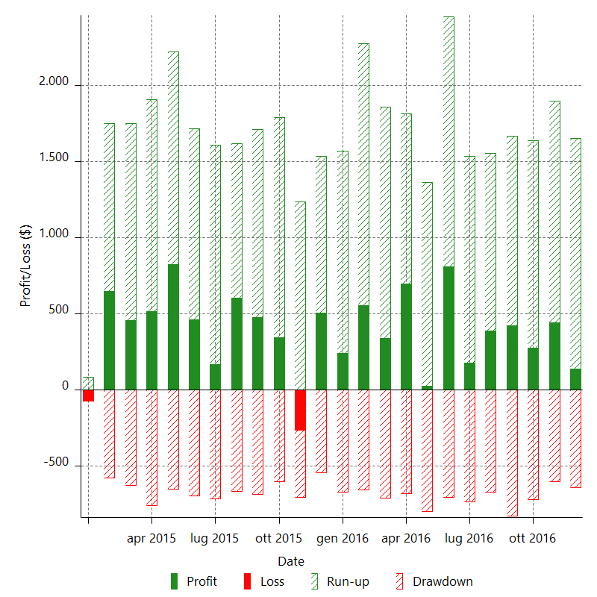

Monthly Returns & Drawdowns (%)

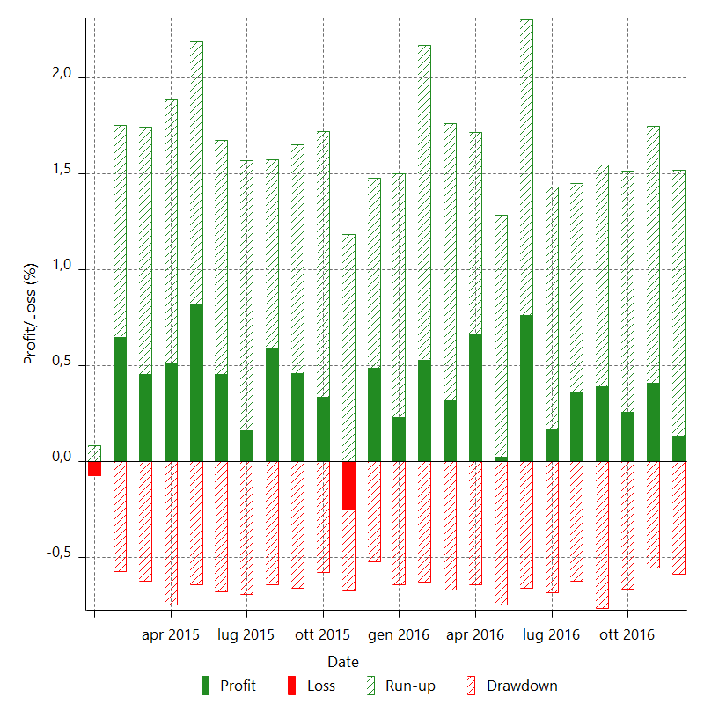

Monthly Accumulative Net Profit

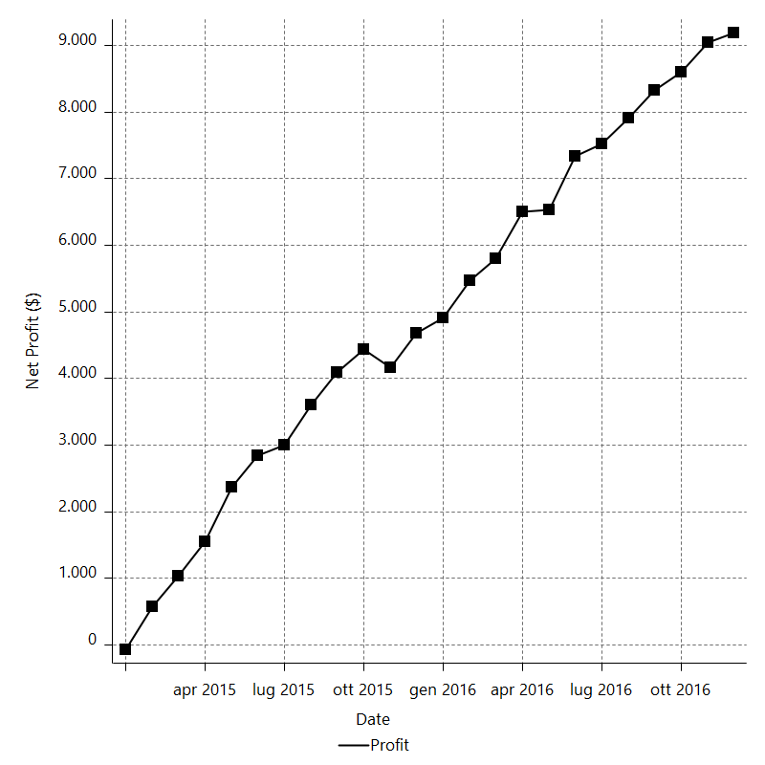

Average Profit By Month

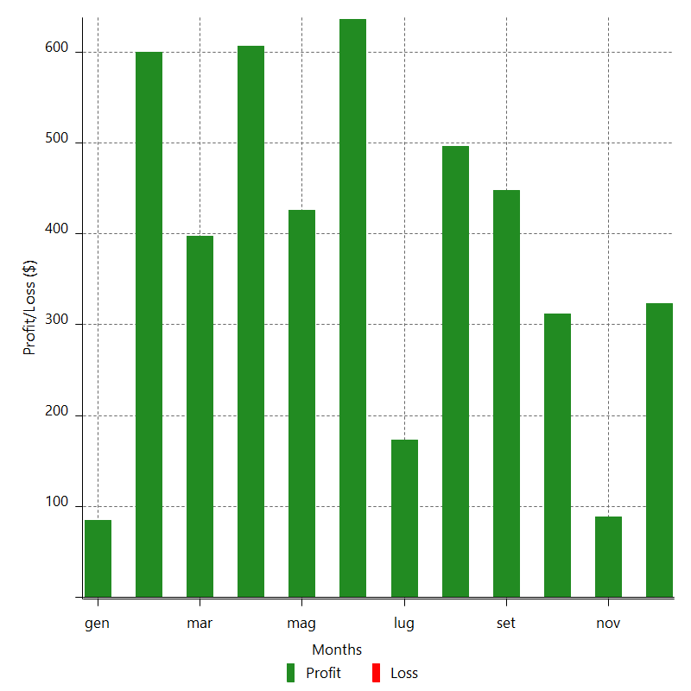

Annual Returns & Drawdowns

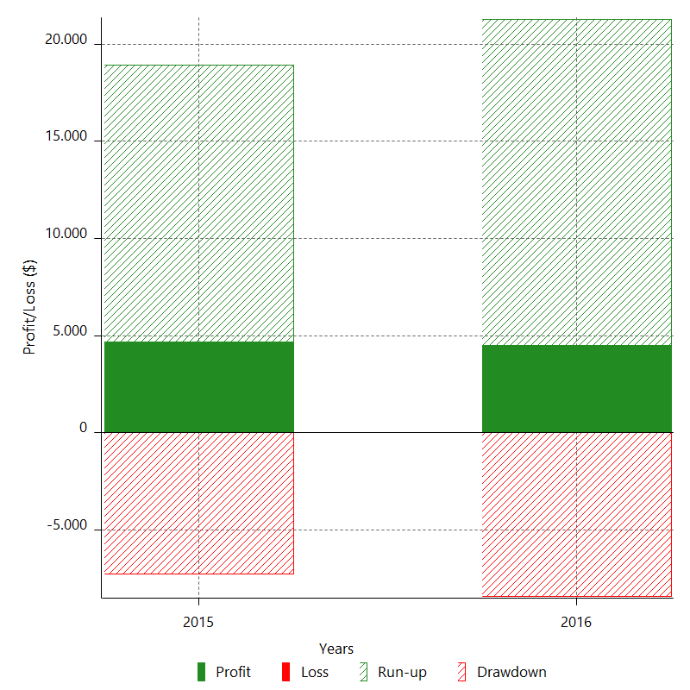

Annual Returns & Drawdowns (%)

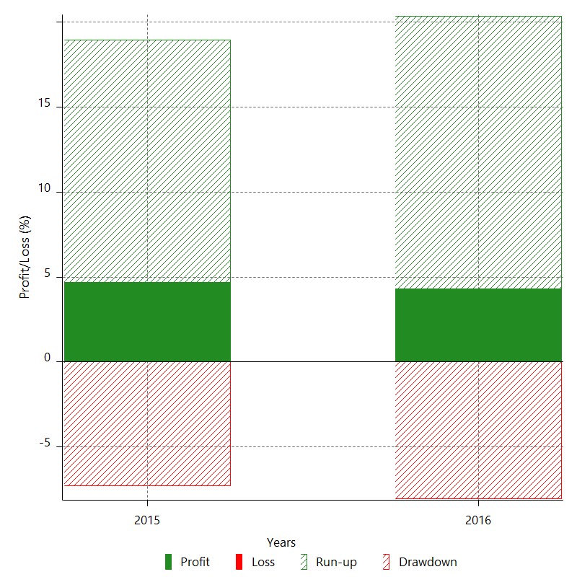

Annual Accumulative Net Profit

